Sheet1
Xi'an Wanlai Trading Co., Ltd. Email:bailla@wancomee.com;wr609966262@gmail.com Whatsapp:+86 185 8289 3820 Wechat:wr609966262 Phone:+86 185 8289 3820
Serial number | name | Product Image | Model configuration | parameter | Accessories map | Packing information
 | Brushless motor blowing and suction series
VC030(Brushless) | Vacuum cleaners(Blow/Pump/Suction/Inflate 4 in 1) (Suction before blowing) New | 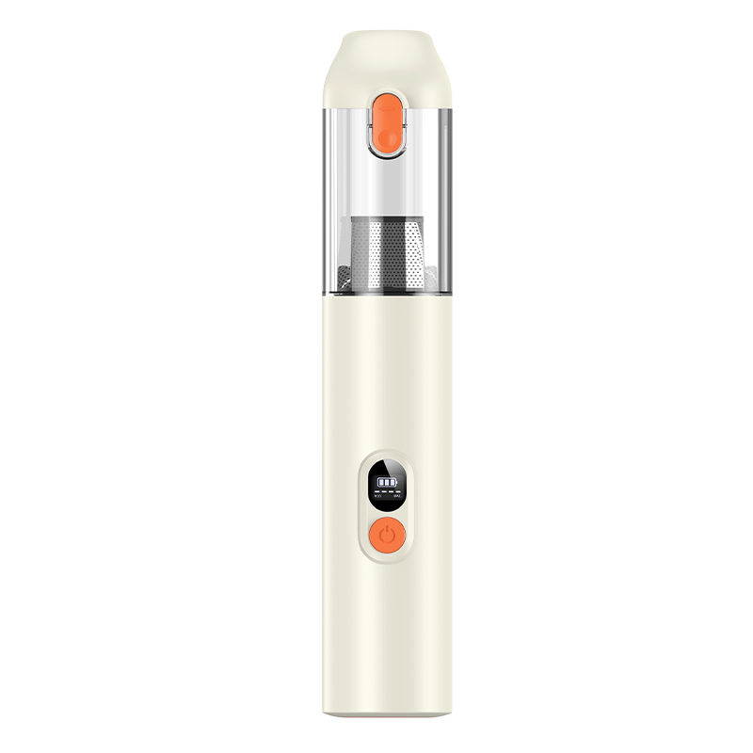 | Model:VC030 Digital display brushless motor Suction force: 8000-9000PA in the first gear, 13500-14000PA in the second gear Power: 100W Input voltage: 5V-2A Battery capacity: 11.1V 2000mAh*3 Endurance time: 27-30 minutes in the first gear, 17-20 minutes in the second gear Charging time: 3.5-4H Color: beige Dust capacity: 160mL TYPE-C charging | ①.100W high-power vacuum cleaner ②.1.4Kpa vacuum degree, dust is swept away ③.3.5-4H fast charging ④.Quiet operation, noise ≤75dB ⑤.Extremely long battery life ⑥.For car, home and office use, can be used in multiple application scenarios ⑦.2000mA*3 high-capacity batteries ⑧.One-button dust removal ⑨.Digital displayEnglish packaging ready stock (minimum order of 500) + customized blowing, pumping, suction, inflation 4-in-1 | 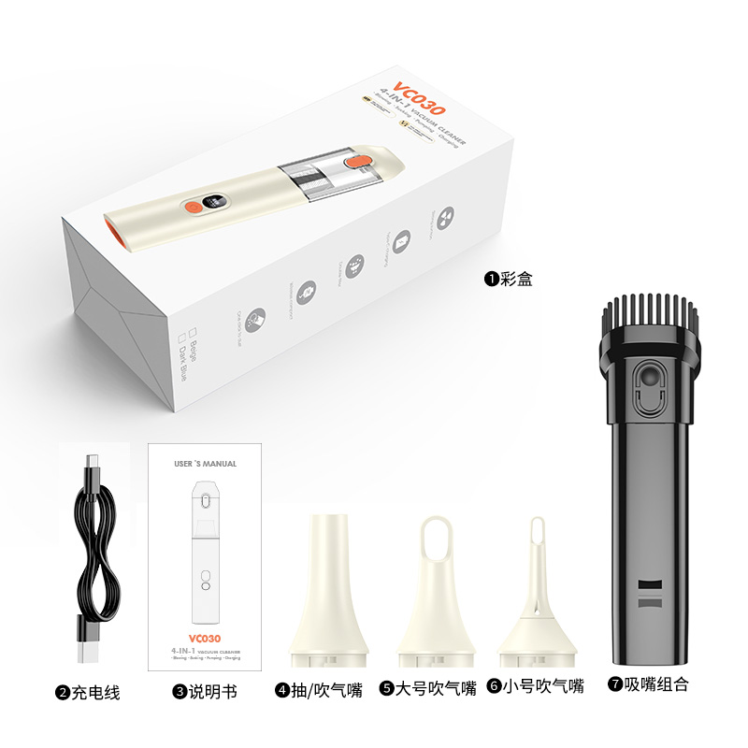 | VC030 Single machine size: 296*56mm Single machine weight: 461g Color box size: 310X107X75mm Net weight: 544g Gross weight: 654g Outer box size: 450X320X395mm Outer box net weight: 13.1kg Outer box gross weight: 14.1kg Packing quantity: 20PCS/box

VC012(Brushless) | Vacuum cleaners(Blowing and suction in one) (Suction in front and blowing in the back) | 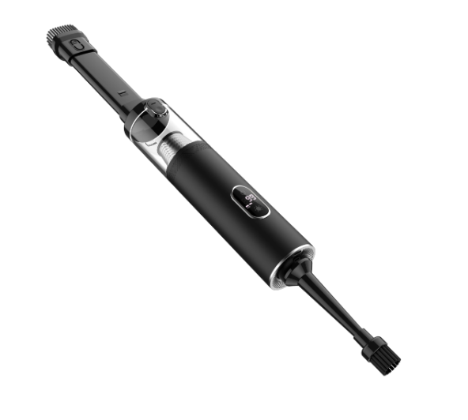 | Model: VC012 Metal digital display brushless motorSuction force: 8000-9000PA in the first gear, 13000-14000PA in the second gear Power: 100W Input voltage: 5V-2A Battery capacity: 2000mAh*3 5C Endurance time: 24-26 minutes in the first gear, 14-16 minutes in the second gear Charging time: 3.5-4H Color: black, green, silver, gun color Dust capacity: 0.15L | ①100W high-power vacuum cleaner②.1.35Kpa vacuum degree, dust is swept away③.3.5-4H fast charging④.Quiet operation, noise ≤75dB⑤.Extremely long battery life⑥.For car, home and office use, can be used in multiple application scenarios⑦.2000mA*3 high-capacity batteries⑧.One-button dust removal⑨.Digital display ⑩.Metal body 9English packaging ready-made + customized | 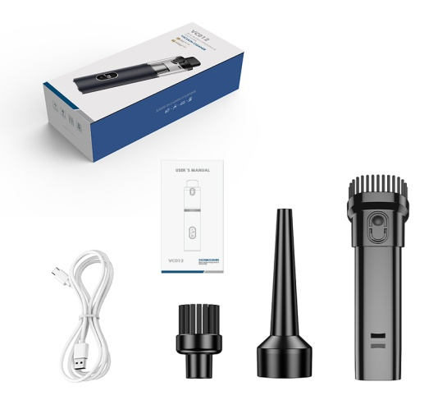 | Product size: 276.5*57MM Color box: 290X107X75MM Outer box: 45×30×39.5cm Product net weight: 562g Product gross weight: 709g Net weight: 14.2KG Gross weight: 15.2KG Packing quantity: 20PCS/box

126 Brushless top-end silver and black | Vacuum cleaners(Blowing and suction in one + 1-button dust removal +) New model (suction in front and blowing in the back) | 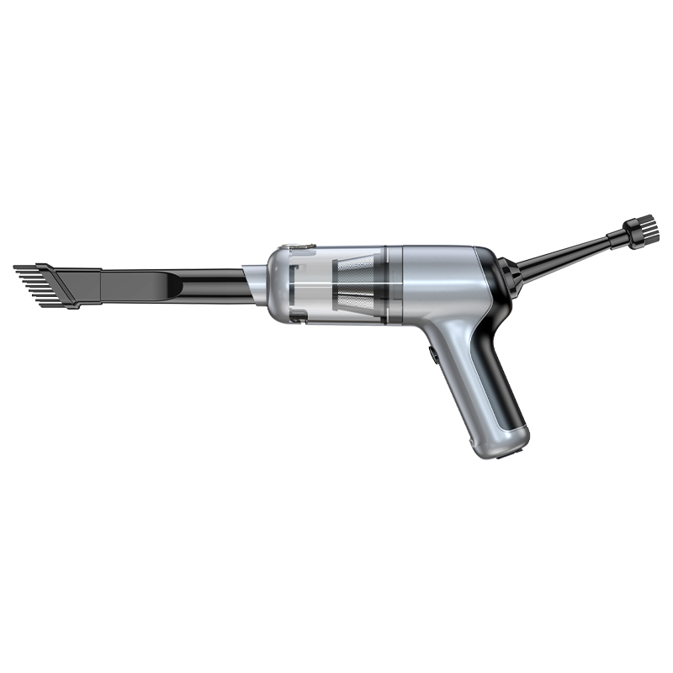 | Model: 126 top-end silver and black model (new model in December) Suction force: 12000 PA Power: 90W Input voltage: 5V-2A Battery capacity: 2000mAh*2 5C Endurance time: 18 minutes Charging time: 3.5-4H Color: Black (blowing and suction in one + 1-button dust removal + silicone button + charging port silicone protection to prevent air leakage +Metallic spray paint ） | ①.100W high-power vacuum cleaner ②.1.2Kpa vacuum degree, dust is swept away ③.3.5-4H fast charging ④.Quiet operation, noise ≤85dB ⑤.18min ultra-long battery life ⑥.For car, home and office use, can be used in multiple application scenarios ⑦.2000mA*2 5C battery 8 TYPE-C charging 10 English packaging in stock + customized (blowing and suction in one + 1-button dust dumping + silicone button + silicone protection for charging port to prevent air leakage + metal spray paint)English packaging spot 500 + custom | 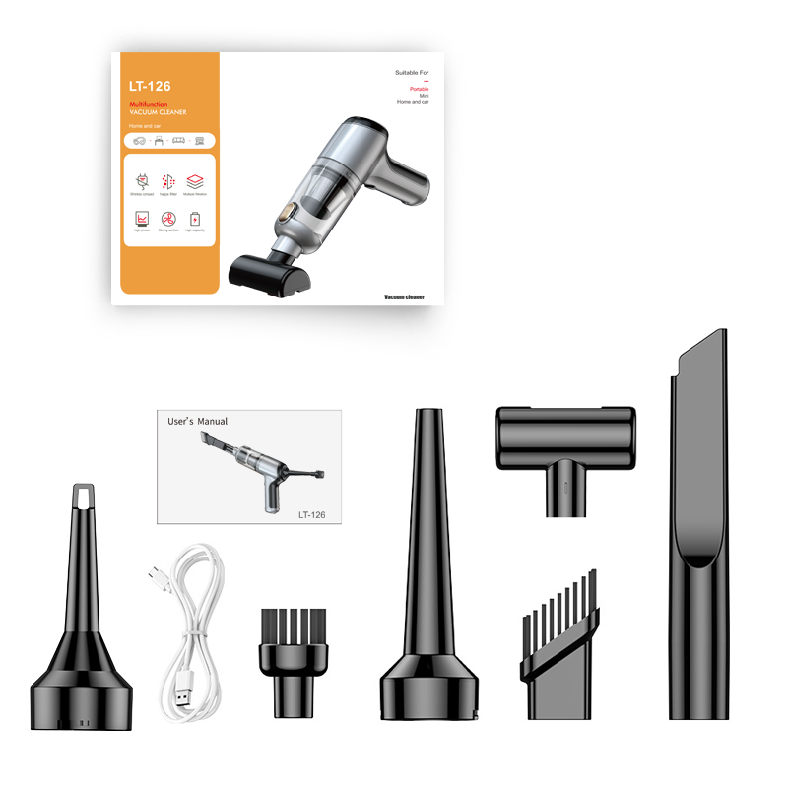 | Product size: 219*62*164MM Color box: 234*170*65mm Outer box: 54*49.5*34.5CM 30PCS/box Net weight: 18KG Gross weight: 19KG Packing quantity: 30PCS/box

125Brushless | Vacuum cleaners(Brushless blowing and suction in one) (Suction in front and blowing in the back) | 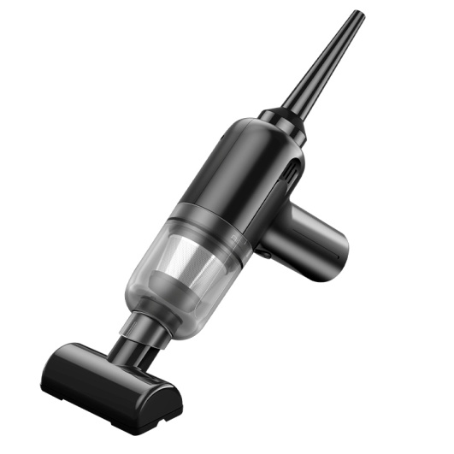 | Model: 125 (brushless motor) Suction: 11000PA Power: 90W Input voltage: 5V-2A Battery capacity: 2000mAh*2 5C Endurance time: 18 minutes Charging time: 3.5-4H Color: Black | ①.90W high-power vacuum cleaner ②.1.1Kpa vacuum degree, dust is swept away ③.3.5-4H fast charging ④.Quiet operation, noise ≤85dB ⑤.18min ultra-long battery life ⑥.Use in car, home, office, multiple application scenarios⑦.2000mA*2 high capacity battery8 TYPE-C charging9 metal filter10 English packaging ready stock + customized | 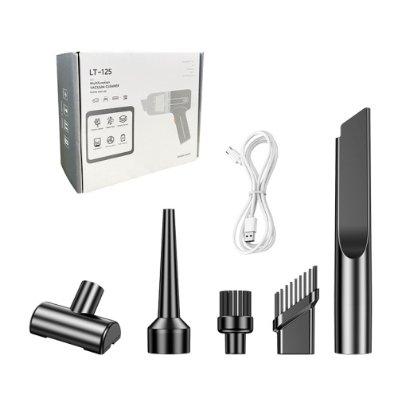 | Color box: 198*165*70mm Outer box: 51*42.5*40cm 30PCS/box Net weight: 17.5KG Gross weight: 18.5KG Packing quantity: 30PCS/box

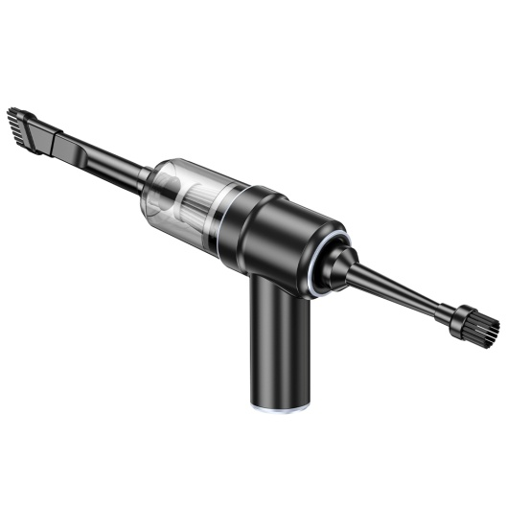
117Brushless | Vacuum cleaners(Brushless motor with blowing and suction) (Suction in front and blowing in the back) |  | model:117 Brushless Blowing and Suction IntegratedSuction: 11000 PA Power: 90W Input voltage: 5V-2A Battery capacity: 2000mAh*2 5C Endurance time: 18 minutes Charging time: 3.5-4H Color: Black Blue | ①.90W high-power vacuum cleaner ②.1.1Kpa vacuum degree, dust is swept away ③.3.5-4H fast charging ④.Quiet operation, noise ≤85dB ⑤.18min ultra-long battery life ⑥.For car, home and office use, multiple application scenarios ⑦.2000mA*2 high-capacity battery10+Customized models (minimum order: 500) | 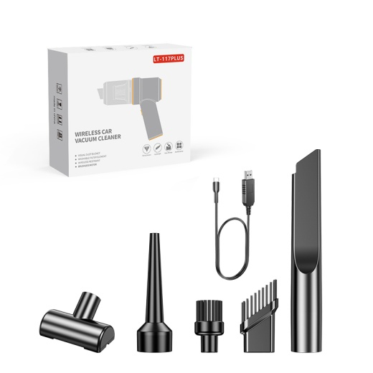 | Color box: 231*163*77mm Outer box: 51.5*49*41.5cm 30PCS/box Net weight: 20.1KG Gross weight: 20.8KG Packing quantity: 30PCS/box

126No refresh | Vacuum cleaners(Blowing and suction in one + 1-button dust removal +) New product (suction in front and blowing in the back) |  | Model: 126 (New model)Suction force: 12000 PA Power: 100W Input voltage: 5V-2A Battery capacity: 2000mAh*2 5C Battery life: 18 minutes Charging time: 3.5-4H Color: Black (blowing and suction in one + 1-button dust removal + silicone button + silicone protection for charging port to prevent air leakage) | ①.100W high-power vacuum cleaner ②.1.2Kpa vacuum degree, dust is swept away ③.3.5-4H fast charging ④.Quiet operation, noise ≤85dB ⑤.18min ultra-long battery life ⑥.For car, home and office use, can be used in multiple application scenarios⑦.2000mA*2 5C battery 8 TYPE-C charging 10 English packaging ready-made + customized (blowing and suction in one + 1-button dust removal + silicone button + charging port silicone protection to prevent air leakage) | 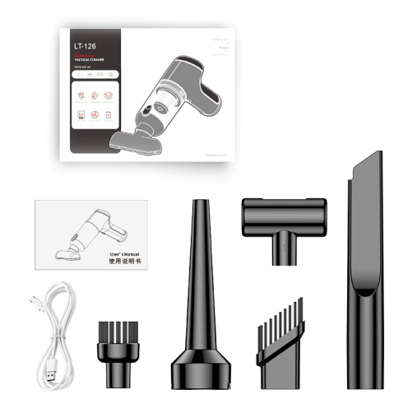 | Product size: 219*62*164MM Color box: 234*170*65mm Outer box: 54*49.5*34.5CM 30PCS/box Net weight: 18KG Gross weight: 19KG Packing quantity: 30PCS/box

 | Brushed Motor Dust Blower Single Blow Series
VC019 single blow version | Dust blower(Single-blowing new model) | 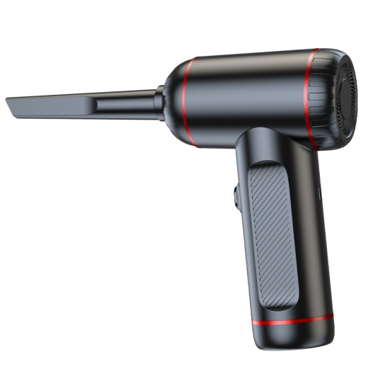 | Model: VC019 comes with a brush as standard. Wind speed: 1st gear: 8.6 m/s 37g ± 2g 25000 rpm 2nd gear: 10.4 m/s 50g ± 2g 37000 rpm 3rd gear: 12.5 m/s 60g ± 2g 50000 rpm Power: 68W Input voltage: 5V-2A Battery capacity: 2000mAh*3 5C Endurance time: 1st gear: 35 minutes ± 2 minutes 2nd gear: 25 minutes ± 2 minutes 3rd gear: 18 minutes ± 2 minutes Charging time: 3.5-4H Color: Black | ①.68W high-power dust blower ②.50000RPM wind flow, dust is blown away ③.3.5-4H fast charging ④.Quiet operation, noise ≤90dB ⑤.Ultra-long battery life ⑥.For car, home and office use, multiple application scenarios ⑦.2000mA*3 high-capacity batteries8 (New)9English packaging ready-made + customized | 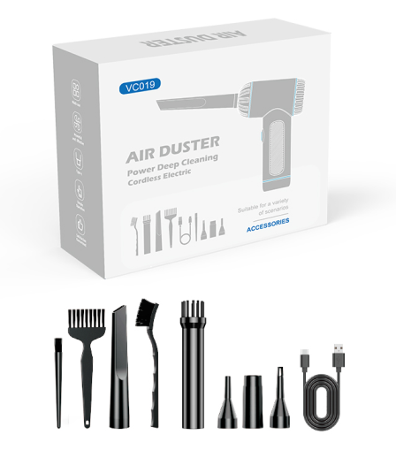 | VC019 (standard version) Single machine size: 123X174X60mm Single machine weight: 381g Color box size: 176X67X140mm Net weight: 462g Gross weight: 529g Outer box size: 376X365X445mm Outer box net weight: 15.9kg Outer box gross weight: 16.9kg Packing quantity: 30PCS

VC018 standard single-blowing version | Dust blowerSingle Blow(Digital display) | 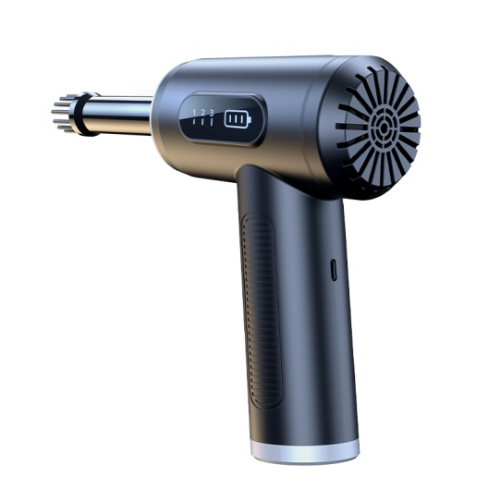 | Model: VC018 comes with a brush as standard. Wind speed: 1st gear: 8.6 m/s 37g ± 2g 25000 rpm 2nd gear: 10.4 m/s 50g ± 2g 37000 rpm 3rd gear: 12.5 m/s 60g ± 2g 50000 rpm Power: 68W Input voltage: 5V-2A Battery capacity: 2000mAh*3 5C Endurance time: 1st gear: 35 minutes ± 2 minutes 2nd gear: 25 minutes ± 2 minutes 3rd gear: 18 minutes ± 2 minutes Charging time: 3.5-4H Color: Black | ①.68W high-power dust blower ②.50000RPM wind flow, dust is blown away ③.3.5-4H fast charging ④.Quiet operation, noise ≤90dB ⑤.Ultra-long battery life ⑥.For car, home and office use, multiple application scenarios ⑦.2000mA*3 high-capacity batteries8 Intelligent digital display (new model) 9 English packaging ready stock + customized | 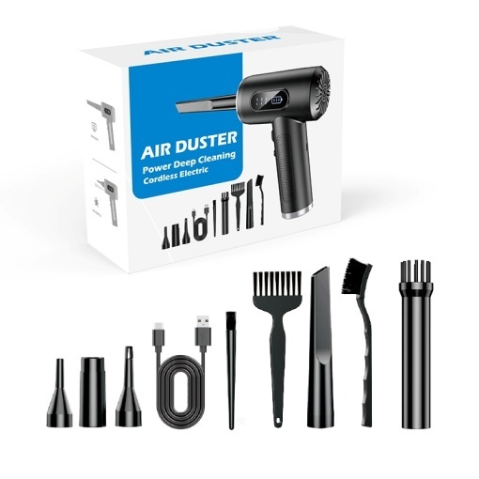 | VC018 (standard version) Single machine size: 123X174X60mm Single machine weight: 381g Color box size: 176X67X140mm Net weight: 462g Gross weight: 529g Outer box size: 376X365X445mm Outer box net weight: 15.9kg Outer box gross weight: 16.9kg Packing quantity: 30PCS

VC016 standard single-blowing version | Dust blowerSingle Blow | 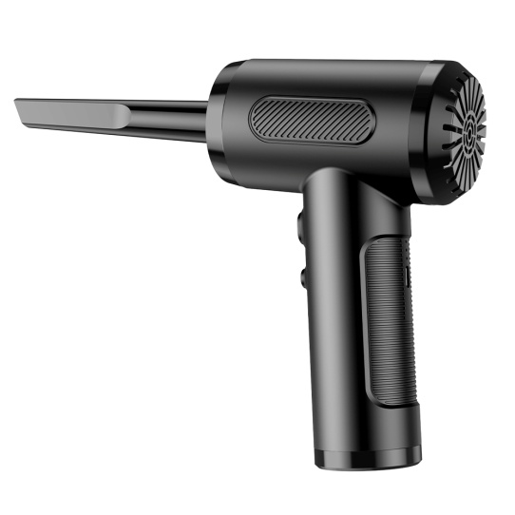 | Model: VC016 comes with a brush as standard. Wind speed: 1st gear: 8.6 m/s 37g ± 2g 25000 rpm 2nd gear: 10.4 m/s 50g ± 2g 37000 rpm 3rd gear: 12.5 m/s 60g ± 2g 50000 rpm Power: 68W Input voltage: 5V-2A Battery capacity: 2000mAh*3 5C Endurance time: 1st gear: 35 minutes ± 2 minutes 2nd gear: 25 minutes ± 2 minutes 3rd gear: 18 minutes ± 2 minutes Charging time: 3.5-4H Color: Black | ①.68W high-power dust blower ②.50000RPM wind flow, dust is blown away ③.3.5-4H fast charging ④.Quiet operation, noise ≤90dB ⑤.Ultra-long battery life ⑥.For car, home and office use, multiple application scenarios ⑦.2000mA*3 high-capacity batteries9English packaging ready-made + customized | 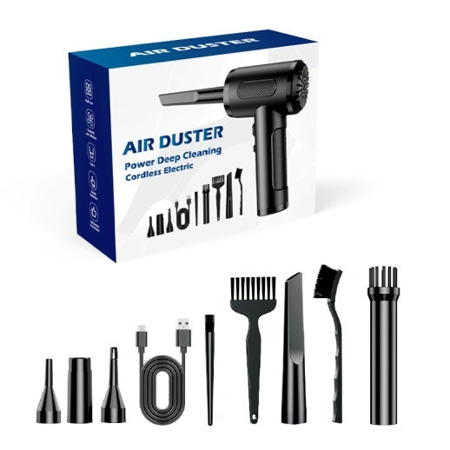 | VC016 (standard version) Color box size: 176*67*140mm Outer box size: 376*365*445mm Machine size: 57*177 Single machine weight: 384.5g Net weight: 461g Gross weight: 528g Packing quantity: 30 Outer box net weight: 15.8kg Outer box gross weight: 16.8kg Packing quantity: 30PCS

 | Brushed motor blowing and suction series
VC018 upgraded blowing and suction integrated version | Dust blowerBlowing and suction in one (digital display) (blowing in front and suction in the back) | 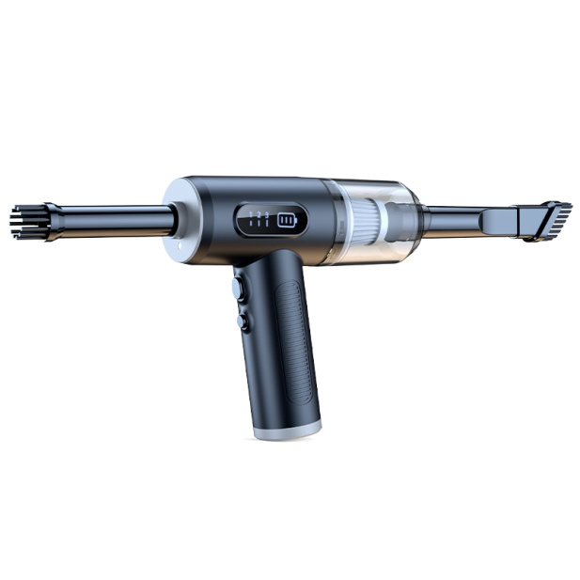 | Model: VC018 upgraded brushed wind speed: 1st gear: 8.6 m/s 37g±2g 25000 rpm 2nd gear: 10.4 m/s 50g±2g 37000 rpm 3rd gear: 12.5 m/s 60g±2g 50000 rpm Vacuum degree: 1st gear: 3300Pa±300Pa 2nd gear: 4800Pa±400Pa 3rd gear: 6200Pa±500Pa Power: 68W Input voltage: 5V-2A Battery capacity: 2000mAh*3 5C Endurance time: 1st gear: 35 minutes±2 minutes 2nd gear: 25 minutes±2 minutes 3rd gear: 18 minutes±2 minutes Charging time: 3.5-4H Color: Black | ①.68W high-power dust blower ②.50000RPM wind flow, dust is blown away ③.3.5-4H fast charging ④.Quiet operation, noise ≤90dB ⑤.Ultra-long battery life ⑥.For car, home and office use, multiple application scenarios ⑦.2000mA*3 high-capacity batteries8 Intelligent digital display (new model) 9 English packaging ready stock + customized | 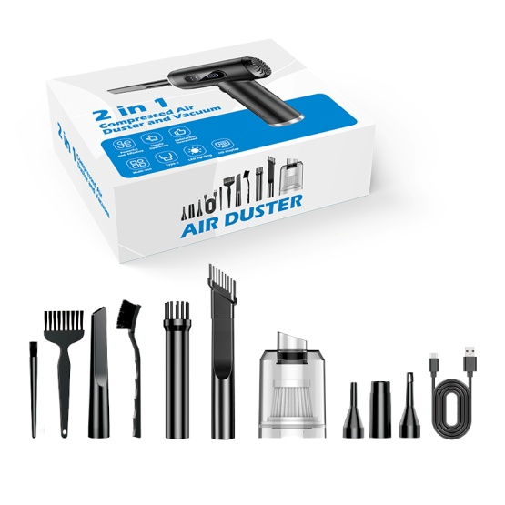 | VC018 (upgraded version) Single machine size: 123X174X60mm Single machine weight: 381g Color box size: 242X203X76mm Net weight: 535g Gross weight: 710g Outer box size: 515X425X410mm Outer box net weight: 14.2kg Outer box gross weight: 15.2kg Packing quantity: 20PCS

VC019 Blowing and Suction Integrated Version | Dust blowerNew style of blowing and sucking (blowing in front and sucking in the back) | 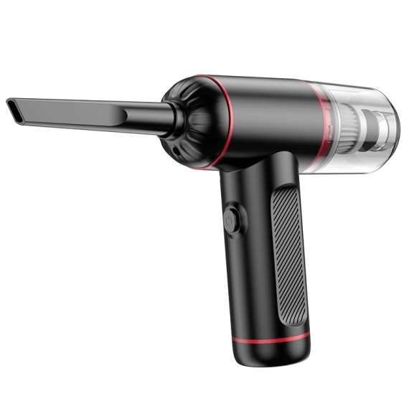 | Model: VC019 upgraded brushed wind force: 1st gear: 8.6 m/s 37g±2g 25000 rpm 2nd gear: 10.4 m/s 50g±2g 37000 rpm 3rd gear: 12.5 m/s 60g±2g 50000 rpm Vacuum degree: 1st gear: 3300Pa±300Pa 2nd gear: 4800Pa±400Pa 3rd gear: 6200Pa±500Pa Power: 68W Input voltage: 5V-2A Battery capacity: 2000mAh*3 5C Endurance time: 1st gear: 35 minutes±2 minutes 2nd gear: 25 minutes±2 minutes 3rd gear: 18 minutes±2 minutes Charging time: 3.5-4H Color: Black | ①.68W high-power dust blower ②.50000RPM wind flow, dust is blown away ③.3.5-4H fast charging ④.Quiet operation, noise ≤90dB ⑤.Ultra-long battery life ⑥.For car, home and office use, multiple application scenarios ⑦.2000mA*3 high-capacity batteries8 (New) 9 English packaging ready stock + customized | 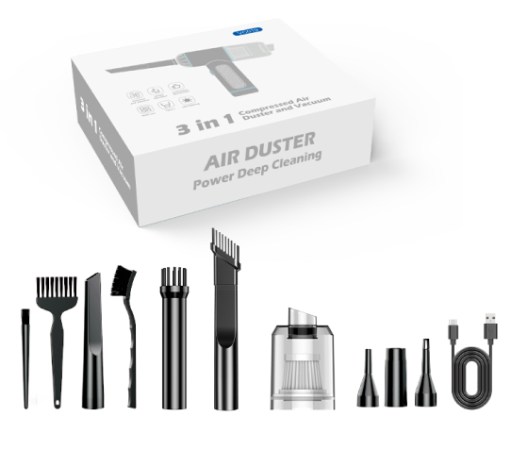 | VC019 (upgraded version) Single machine size: 123X174X60mm Single machine weight: 381g Color box size: 242X203X76mm Net weight: 535g Gross weight: 710g Outer box size: 515X425X410mm Outer box net weight: 14.2kg Outer box gross weight: 15.2kg Packing quantity: 20PCS

VC016 upgraded blowing and suction integrated version | Dust blower(Blowing and sucking in one) (Blowing in front and sucking in the back) | 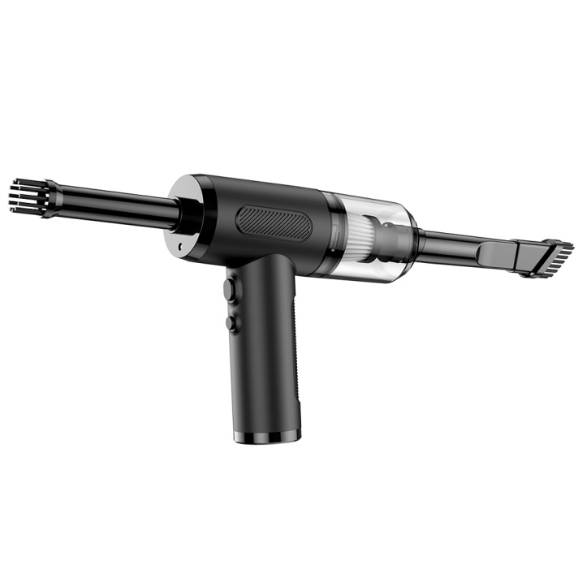 | Model: VC016 upgraded brushed wind speed: 1st gear: 8.6 m/s 37g±2g 25000 rpm 2nd gear: 10.4 m/s 50g±2g 37000 rpm 3rd gear: 12.5 m/s 60g±2g 50000 rpm Vacuum degree: 1st gear: 3300Pa±300Pa 2nd gear: 4800Pa±400Pa 3rd gear: 6200Pa±500Pa Power: 68W Input voltage: 5V-2A Battery capacity: 2000mAh*3 5C Endurance time: 1st gear: 35 minutes±2 minutes 2nd gear: 25 minutes±2 minutes 3rd gear: 18 minutes±2 minutes Charging time: 3.5-4H Color: Black | ①.68W high-power dust blower, blowing and sucking in one ②.50000RPM wind flow, dust is blown away ③.3.5-4H fast charging ④.Quiet operation, noise ≤90dB ⑤.Ultra-long battery life ⑥.For car, home and office use, can be used in multiple application scenarios ⑦.2000mA*3 high-capacity batteries9English packaging ready-made + customized | 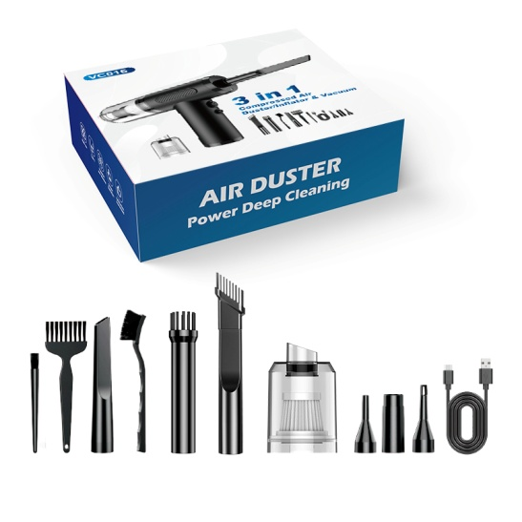 | VC016 (upgraded version) Color box size: 242*203*76mm Outer box size: 515*425*410mm Machine size: 57*177 Single machine weight: 384.5g Net weight: 535g Gross weight: 715g Packing quantity: 20 Outer box net weight: 14.3kg Outer box gross weight: 15.3kg Packing quantity: 20PCS

135CWith brush | Vacuum cleaners(Blowing, suction and pumping in one) | 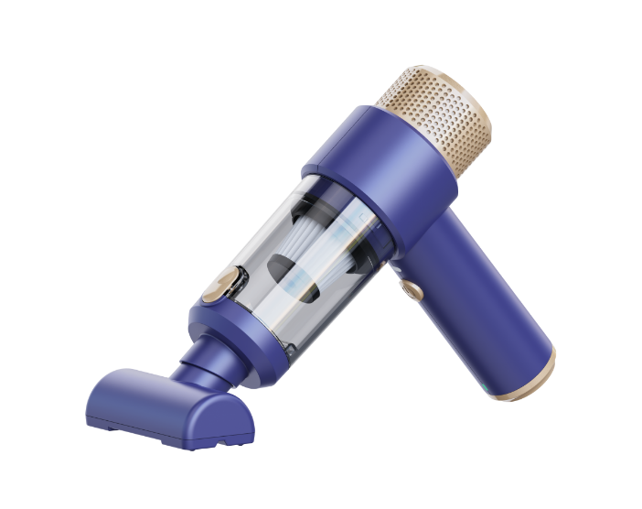 | Model: 135 latest model Suction: 6500 PA Power: 60W Input voltage: DC-5V-2A Battery capacity: 1800mAh*2 5C Endurance: 18 minutes Charging time: 3.5-4H Color: Black | ①.60W high-power vacuum cleaner ②.6.5Kpa vacuum degree, dust is swept away ③.3.5-4H fast charging ④.Quiet operation, noise ≤85dB ⑤.18min ultra-long battery life ⑥.For car, home and office use, can be used in multiple application scenarios⑦.1800mA*2 high capacity battery8 TYPE-C charging9 metal filter10 English packaging ready stock + customized |  | Color box: 213*165*79mm Outer box: 52.5*45.5*42.5cm 30PCS/box Net weight: 17.5KG Gross weight: 18.5KG Packing quantity: 30PCS/box

135CBrush upgrade | Vacuum cleaners(Blowing, suction and pumping in one) |  | Model: 135 latest model Suction: 7500 PA Power: 70W Input voltage: DC-5V-2A Battery capacity: 2000mAh*2 5C Endurance: 18 minutes Charging time: 3.5-4H Color: Black | ①.70W high-power vacuum cleaner ②.7.5Kpa vacuum degree, dust is swept away ③.3.5-4H fast charging ④.Quiet operation, noise ≤85dB ⑤.18min ultra-long battery life ⑥.For car, home and office use, can be used in multiple application scenarios⑦.2000mA*2 high capacity battery8 TYPE-C charging9 metal filter10 English packaging ready stock + customized |  | Color box: 213*165*79mm Outer box: 52.5*45.5*42.5cm 30PCS/box Net weight: 17.5KG Gross weight: 18.5KG Packing quantity: 30PCS/box

125With brush | Vacuum cleaners(Blowing and suction in one) | 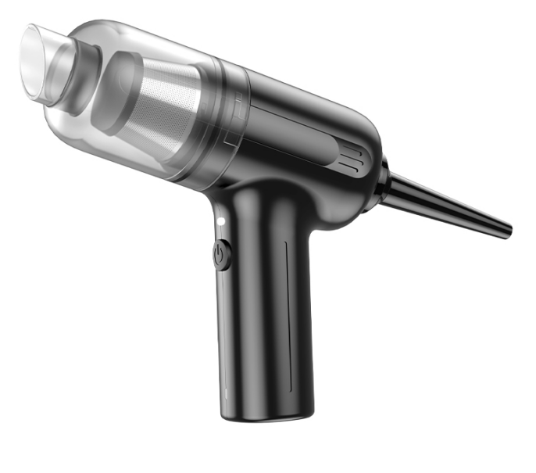 | Model: 125 new Suction: 5500 PA Power: 60W Input voltage: DC-5V-2A Battery capacity: 2000mAh*2 5C Endurance: 18 minutes Charging time: 3.5-4H Color: Black | ①.5=60W high-power vacuum cleaner ②.5.5Kpa vacuum degree, dust is swept away ③.3.5-4H fast charging ④.Quiet operation, noise ≤85dB ⑤.18min ultra-long battery life ⑥.For car, home and office use, can be used in multiple application scenarios⑦.2000mA*2 high capacity battery8 TYPE-C charging9 metal filter10 English packaging ready stock + customized |  | Color box: 198*165*70mm Outer box: 51*42.5*40cm 30PCS/box Net weight: 17.5KG Gross weight: 18.5KG Packing quantity: 30PCS/box

126There are new models | Vacuum cleaners(Blowing and suction in one + 1-button dust removal +) New product | 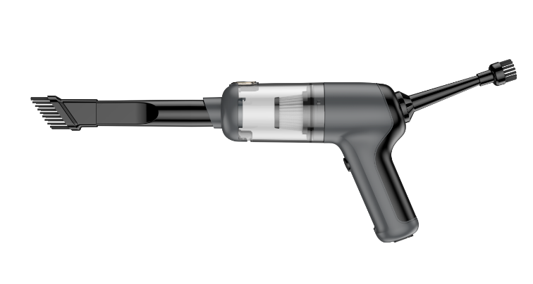 | Model: 126 NewSuction force: 5500 PA Power: 60W Input voltage: 5V-2A Battery capacity: 2000mAh*2 5C Endurance time: 18 minutes Charging time: 3.5-4H Color: Black (blowing and suction in one + 1-button dust removal + silicone button + silicone protection for charging port to prevent air leakage) | ①.5=60W high-power vacuum cleaner ②.5.5Kpa vacuum degree, dust is swept away ③.3.5-4H fast charging ④.Quiet operation, noise ≤85dB ⑤.18min ultra-long battery life ⑥.For car, home and office use, can be used in multiple application scenarios⑦.2000mA*2 5C battery 8 TYPE-C charging 10 English packaging ready-made + customized (blowing and suction in one + 1-button dust removal + silicone button + charging port silicone protection to prevent air leakage) |  | Product size: 219*62*164MM Color box: 234*170*65mm Outer box: 54*49.5*34.5CM 30PCS/box Net weight: 18KG Gross weight: 19KG Packing quantity: 30PCS/box

117CD Brushed | Vacuum cleaners(Blowing and suction in one) | 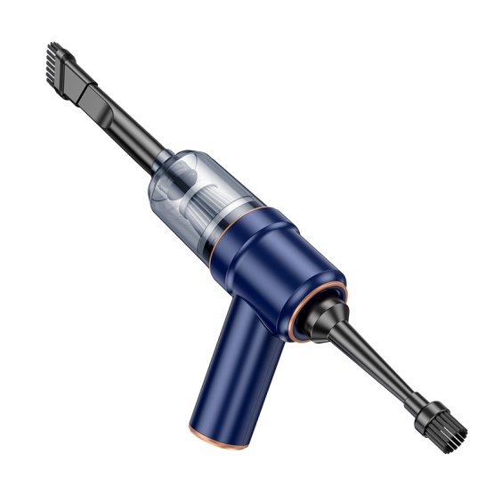 | Model: 117CD(Blowing and suction in one)Suction: 4000 PA Power: 50W Input voltage: 5V-2A Battery capacity: 1800mAh*2 5C Endurance: 18 minutes Charging time: 3.5-4H Color: Black Blue | ①.50W high-power vacuum cleaner ②.4Kpa vacuum degree, dust is swept away ③.3.5-4H fast charging ④.Quiet operation, noise ≤85dB ⑤.18min ultra-long battery life ⑥.For car, home and office use, multiple application scenarios ⑦.1800mA*2 high-capacity battery10 English packaging ready stock + customized | 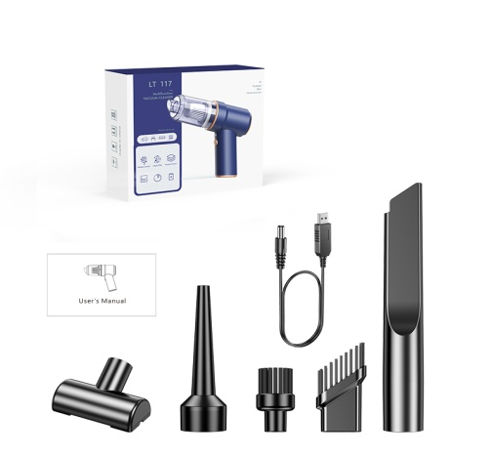 | Color box: 195*160*68mm Outer box: 50.5*42*37.5cm 30PCS/box Net weight: 16.5KG Gross weight: 17.3KG Packing quantity: 30PCS/box

117CG with brush | Vacuum cleaners(Blowing and suction in one) | 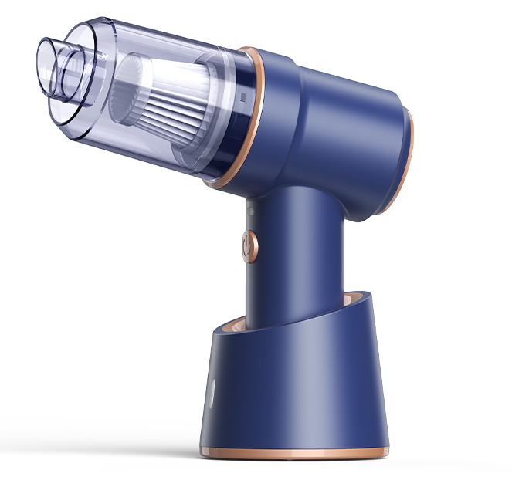 | Model: 117CG Blowing and suction Suction: 4000 PA Power: 50W Input voltage: 5V-2A Battery capacity: 1800mAh*2 5C Endurance time: 18 minutes Charging time: 3.5-4H Color: Black Blue | ①.50W high-power vacuum cleaner ②.4Kpa vacuum degree, dust is swept away ③.3.5-4H fast charging ④.Quiet operation, noise ≤85dB ⑤.18min ultra-long battery life ⑥.For car, home and office use, multiple application scenarios ⑦.1800mA*2 high-capacity batteryv10 English packaging ready stock + customized | 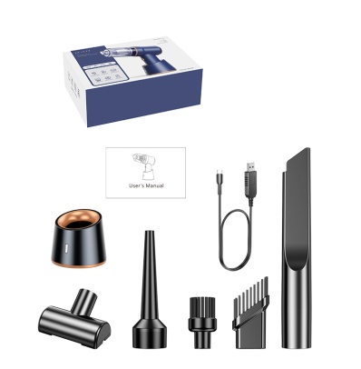 | Color box: 231*163*77mm Outer box: 51.5*49*41.5cm 30PCS/box Net weight: 20.1KG Gross weight: 20.8KG Packing quantity: 30PCS/box

 | Brushless Vacuum Cleaner Series
VC029Brushless | Vacuum cleanersNew brushless motor digital display cyclone dust cup | 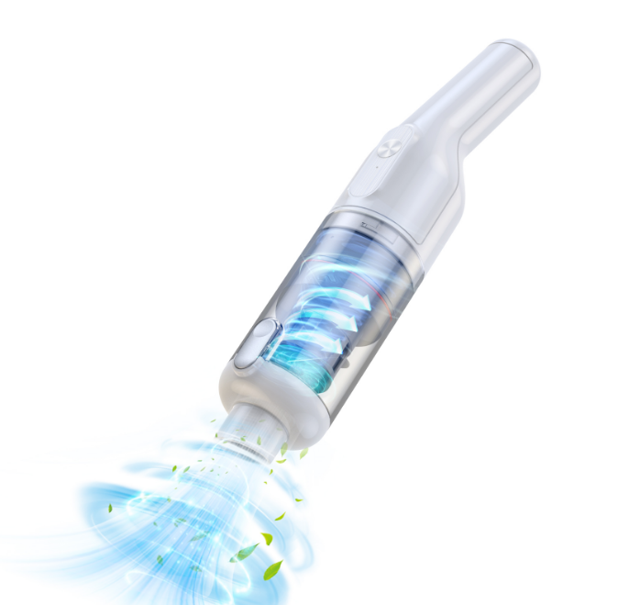 | Model:VC029Brushless Motor Suction force: 10000PA, second gear 14000-14300PA Power: 100W Input voltage: 5V-2A Battery capacity: 2000mAh*3 5C Endurance time: first gear 24-26 minutes, second gear 14-16 minutes Charging time: 3.5-4H Color: black and white Dust capacity: 0.35LOptimized structure, lower loss, less noise, greater suction, digital display of power | ①.100W high-power vacuum cleaner ②.1.4Kpa vacuum degree, dust is swept away ③.3.5-4H fast charging ④.Quiet operation, noise ≤85dB ⑤.Ultra-long battery life ⑥.For car, home and office use, multiple application scenarios ⑦.2000mA*3 high-capacity batteries10 English packaging ready stock + customized |  | Color box: 375X145X85mm Outer box: 46*39*53.5cm Product net weight: 731g Product gross weight: 875g Net weight: 16.8KG Gross weight: 17.8KG Packing quantity: 18PCS/box

VC028Brushless | Vacuum cleanersNew brushless motor digital display cyclone dust cup | 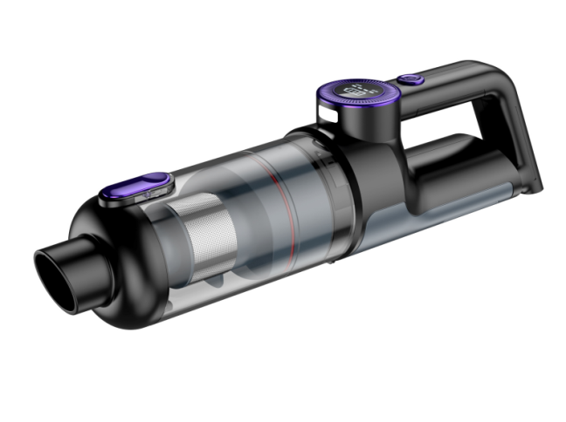 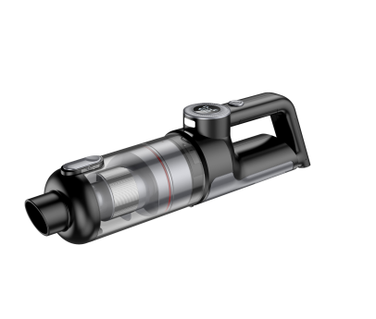 | Model:VC028Brushless Motor Suction force: 10000PA, second gear 14000-14300PA Power: 100W Input voltage: 5V-2A Battery capacity: 2000mAh*3 5C Endurance time: first gear 24-26 minutes, second gear 14-16 minutes Charging time: 3.5-4H Color: black and white Dust capacity: 0.35LOptimized structure, lower loss, less noise, greater suction, digital display of power | ①.100W high-power vacuum cleaner ②.1.4Kpa vacuum degree, dust is swept away ③.3.5-4H fast charging ④.Quiet operation, noise ≤85dB ⑤.Ultra-long battery life ⑥.For car, home and office use, multiple application scenarios ⑦.2000mA*3 high-capacity batteries10 English packaging ready stock + customized | 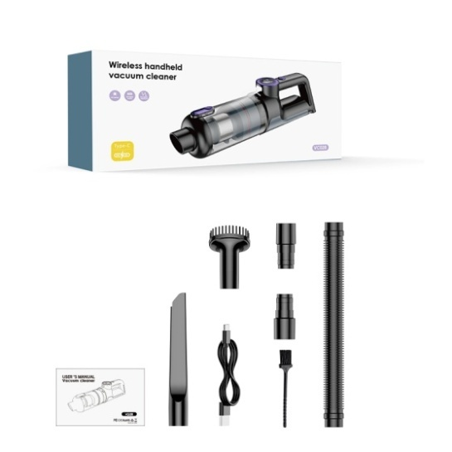 | Color box: 375X145X85mm Outer box: 46*39*53.5cm Product net weight: 731g Product gross weight: 875g Net weight: 16.8KG Gross weight: 17.8KG Packing quantity: 18PCS/box

VC030(Brushless) | Vacuum cleaners(Blow/Pump/Suction/Inflate 4 in 1) |  | Model:VC030 Digital display brushless motor Suction force: 8000-9000PA in the first gear, 13500-14000PA in the second gear Power: 100W Input voltage: 5V-2A Battery capacity: 11.1V 2000mAh*3 Endurance time: 27-30 minutes in the first gear, 17-20 minutes in the second gear Charging time: 3.5-4H Color: beige Dust capacity: 160mL TYPE-C charging | ①.100W high-power vacuum cleaner ②.1.4Kpa vacuum degree, dust is swept away ③.3.5-4H fast charging ④.Quiet operation, noise ≤75dB ⑤.Extremely long battery life ⑥.For car, home and office use, can be used in multiple application scenarios ⑦.2000mA*3 high-capacity batteries ⑧.One-button dust removal ⑨.Digital displayEnglish packaging ready stock (minimum order of 500) + customized blowing, pumping, suction, inflation 4-in-1 |  | VC030 Single machine size: 296*56mm Single machine weight: 461g Color box size: 310X107X75mm Net weight: 544g Gross weight: 654g Outer box size: 450X320X395mm Outer box net weight: 13.1kg Outer box gross weight: 14.1kg Packing quantity: 20PCS/box

VC012(Brushless) | Vacuum cleaners(Blowing and suction in one) |  | Model: VC012 Metal digital display brushless motorSuction: 8000-9000PA in the first gear, 13000-14000PA in the second gear Power: 100W Input voltage: 5V-2A Battery capacity: 2000mAh*3 5C Endurance time: 24-26 minutes in the first gear, 14-16 minutes in the second gear Charging time: 3.5-4H Color: black, green, silver, gun color Dust capacity: 0.15L TYPE-C charging | ①.100W high-power vacuum cleaner ②.1.35Kpa vacuum degree, dust is swept away ③.3.5-4H fast charging ④.Quiet operation, noise ≤75dB ⑤.Extremely long battery life ⑥.For car, home and office use, can be used in multiple application scenarios ⑦.2000mA*3 high-capacity batteries ⑧.One-button dust removal ⑨.Digital display ⑩.Metal body9English packaging ready-made + customized dust blower |  | Product size: 276.5*57MM Color box: 290X107X75MM Outer box: 45×30×39.5cm Product net weight: 562g Product gross weight: 709g Net weight: 14.2KG Gross weight: 15.2KG Packing quantity: 20PCS/box

VC021Brushless | Vacuum cleanersNew brushless motor | 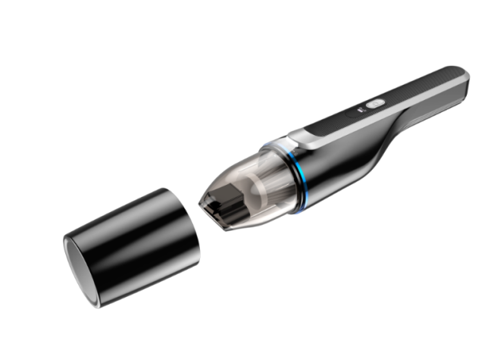 | Model:VC021Brushless MotorSuction: 8000PA 2nd gear 12500-13000PA Power: 100W Input voltage: 5V-2A Battery capacity: 2600mAh*2 5C Endurance time: 1st gear 24-26 minutes 2nd gear 14-16 minutes Charging time: 3.5-4H Color: black and white Dust capacity: 0.35L | ①.100W high-power vacuum cleaner ②.1.3Kpa vacuum degree, dust is swept away ③.3.5-4H fast charging ④.Quiet operation, noise ≤85dB ⑤.Ultra-long battery life ⑥.For car, home and office use, multiple application scenarios ⑦.2600mA*2 high-capacity battery10 English packaging ready stock + customized | 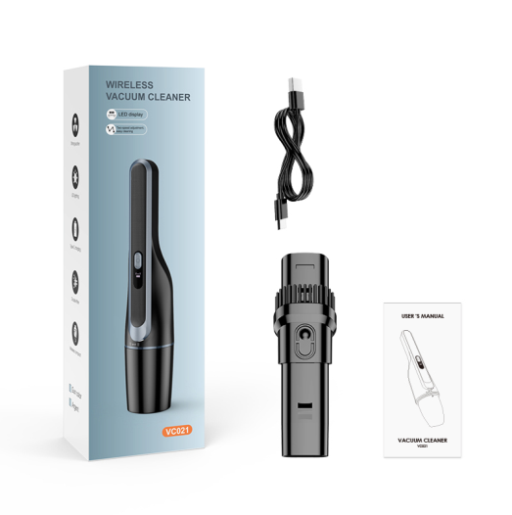 | VC021 (standard version) Single machine size: 338.5X73X78mm Single machine weight: 442g Color box size: 348X112X80mm Net weight: 533g Gross weight: 643g Outer box size: 468X360X420mm Outer box net weight: 13.kg Outer box gross weight: 14.kg Packing quantity: 20/box

VC008Brushless | Vacuum cleanersBrushless Motor | 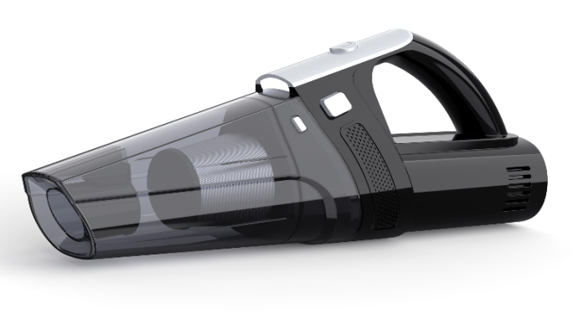 | Model:VC008Brushless MotorSuction force: 9000PA, second gear 13000-13500PA Power: 100W Input voltage: 5V-2A Battery capacity: 2000mAh*3 5C Endurance time: first gear 24-26 minutes, second gear 14-16 minutes Charging time: 3.5-4H Color: black and white Dust capacity: 0.35L | ①.100W high-power vacuum cleaner ②.1.35Kpa vacuum degree, dust is swept away ③.3.5-4H fast charging ④.Quiet operation, noise ≤85dB ⑤.Ultra-long battery life ⑥.For car, home and office use, multiple application scenarios ⑦.2000mA*3 high-capacity batteries10 English packaging ready stock + customized |  | Product size: 351.2*104*139.6mm Color box: 355*140*140mm Outer box: 58*37*59cm 16PCS/box Net weight: 13.2KG Gross weight: 17.8KG Packing quantity: 16PCS/box

VC005Brushless | Vacuum cleanersBrushless Motor | 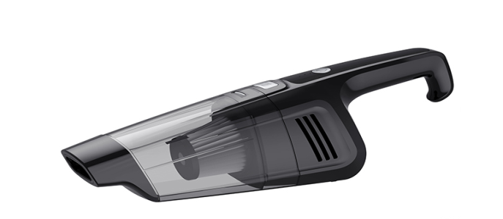 | Model:VC005 Brushless MotorSuction force: 1st gear 7000-7500 PA 2nd gear 13000-13500 PA Power: 100W Input voltage: 5V-2A Battery capacity: 2000mAh*3 5C Endurance time: 1st gear 24-26 minutes 2nd gear 14-16 minutes Charging time: 3.5-4H Color: black and white Dust capacity: 0.35L | ①.110W high-power vacuum cleaner ②.1.35Kpa vacuum degree, dust is swept away ③.3.5-4H fast charging ④.Quiet operation, noise ≤85dB ⑤.Ultra-long battery life ⑥.For car, home and office use, multiple application scenarios ⑦.2000mA*3 high-capacity batteries10 English packaging ready stock + customized | 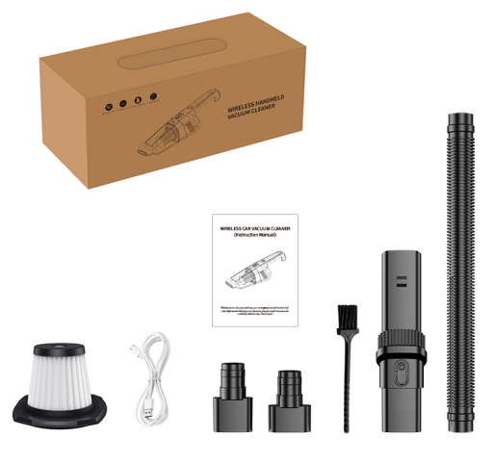 | Product: 381*95*113mm Color box: 378*130*133.5mm Outer box: 39.3*55*53.5CM 16PCS/box Net weight: 16.5KG Gross weight: 17.5KG Packing quantity: 16PCS/box

 | Vacuum cleaner floor mop series
VC028 with mop(Brushless) | Vacuum vacuum cleaner with mopBrushless motor digital display one-button dust emptying cyclone dust cup new model | 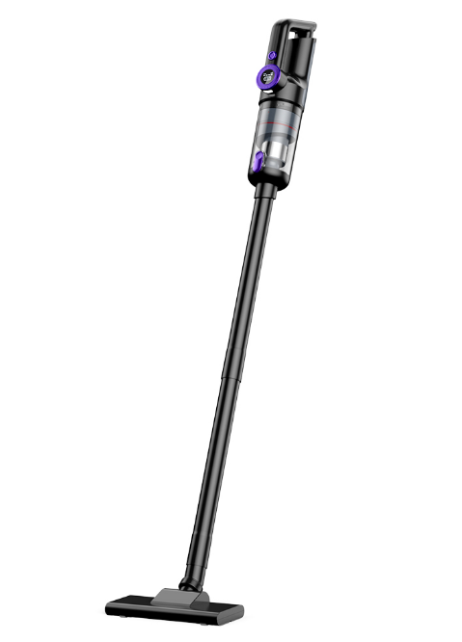 | Model: VC028 Floor mopBrushless Motor Suction: 10000PA 2nd gear 14000-14300PA Power: 100W Input voltage: 5V-2A Battery capacity: 2000mAh*3 5C Endurance time: 1st gear 24-26 minutes 2nd gear 14-16 minutes Charging time: 3.5-4H Color: Black Dust capacity: 0.35LOptimized structure, lower loss, less noise, greater suction, digital display of power | ①.100W high-power vacuum cleaner ②.14-14.3Kpa vacuum degree, dust is swept away ③.3.5-4H fast charging ④.Quiet operation, noise ≤85dB ⑤.Ultra-long battery life ⑥.For car, home and office use, multiple application scenarios ⑦.2000mA*3 high-capacity batteries10 English packaging ready stock + customized | 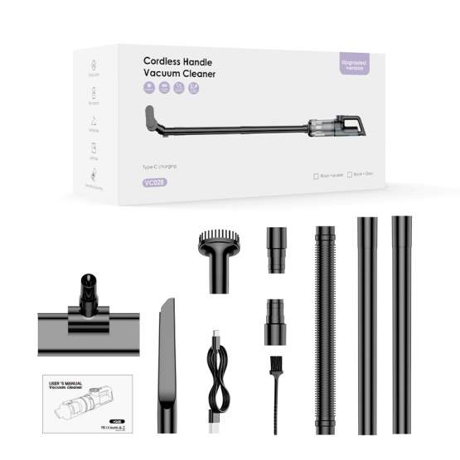 | Color box: 360X132X168mm Outer box: 54.5*37.5*52.5CM Net weight: 1074g Gross weight: 1348g Net weight: 16.2KG Gross weight: 17.2KG Packing quantity: 12PCS/box

VC008 with mop(Brushless) | Vacuum vacuum cleaner with mopBrushless Motor |  | Model: VC008 Floor mopBrushless Motor Suction force: 9000PA, second gear 13500-14000PA Power: 100W Input voltage: 5V-2A Battery capacity: 2000mAh*3 5C Endurance time: first gear 24-26 minutes, second gear 14-16 minutes Charging time: 3.5-4H Color: black and white Dust capacity: 0.35L | ①.100W high-power vacuum cleaner ②.1.4Kpa vacuum degree, dust is swept away ③.3.5-4H fast charging ④.Quiet operation, noise ≤85dB ⑤.Ultra-long battery life ⑥.For car, home and office use, multiple application scenarios ⑦.2000mA*3 high-capacity batteries10 English packaging ready stock + customized |  | Product size: 351.2*104*139.6mm (excluding extension rod) Color box: 355*140*180mm Outer box: 58*37*59cm 12PCS/box Net weight: 13.5KG Gross weight: 17.5KG Packing quantity: 12PCS/box

127CG (PLUS) | Vacuum vacuum cleaner with mop Brushless Motor |  | model: 124EGPLUS Brushless MotorSuction: 13000 PA Power: 100W Input voltage: 5V-2A Battery capacity: 2000mAh*2 5C Endurance time: 18-20 minutes Charging time: 3.5-4H Color: Black White | ①.100W high-power vacuum cleaner ②.13Kpa vacuum degree, dust is swept away ③.3.5-4H fast charging ④.Quiet operation, noise ≤85dB ⑤.30min long battery life ⑥.For car, home and office use, multiple application scenarios ⑦.2000mA*2 high-capacity battery8 One-click dust removal 9 Metal filter element 1000 yuan or more for customization |  | Color box: 370*175*105(mm³) Outer box: 545*385*445(mm³) 20PCS/box Net weight: 16.5KG Gross weight: 17.5KG Packing quantity: 12PCS/box

124EG (PLUS) | Vacuum vacuum cleaner with mopBrushless Motor |  | model: 124EG PLUS Brushless MotorSuction: 13000 PA Power: 100W Input voltage: 5V-2A Battery capacity: 2000mAh*2 5C Endurance time: 18-20 minutes Charging time: 3.5-4H Color: Black White | ①.100W high-power vacuum cleaner ②.13Kpa vacuum degree, dust is swept away ③.3.5-4H fast charging ④.Quiet operation, noise ≤85dB ⑤.30min long battery life ⑥.For car, home and office use, multiple application scenarios ⑦.2000mA*2 high-capacity battery8 One-click dust removal 9 Metal filter element 1000 yuan or more for customization |  | Color box: 345*155*195mm Outer box: 64.5*37.5*56cm Net weight: 16.5KGS Gross weight: 17.5KGS Packing quantity: 12PCS/box

VC006 floor mopThe New | Vacuum cleanersWith brush | 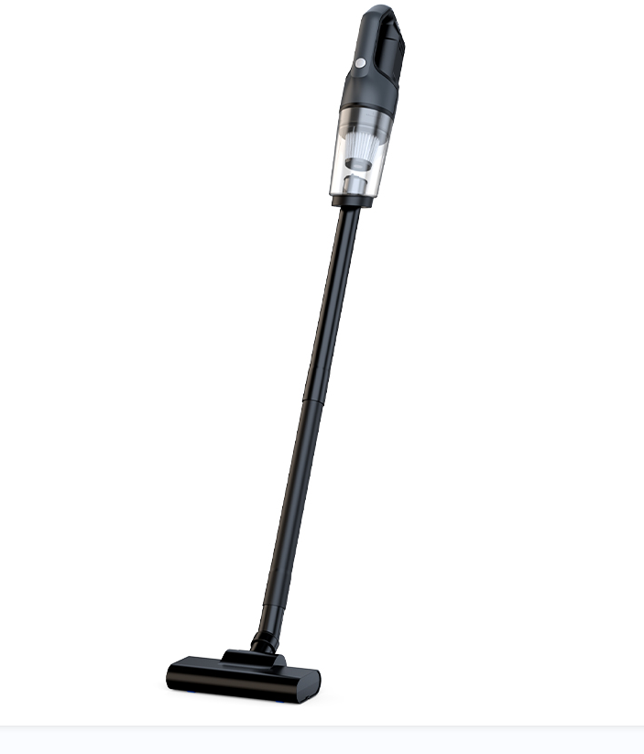 | Model: VC006 floor mop with brush motor Suction: 6500PA Power: 60W Input voltage: 5V-2A Battery capacity: 2000mAh*2 5C Endurance time: 15-17 minutes Charging time: 3.5-4H Color: black and gray Dust capacity: 0.36L | ①.60W high-power vacuum cleaner ②.6.5Kpa vacuum degree, dust is swept away ③.3.5-4H fast charging ④.Quiet operation, noise ≤80dB ⑤.Ultra-long battery life ⑥.For car, home and office use, multiple application scenarios ⑦.2000mA*2 high-capacity battery10 English packaging ready stock + customized | 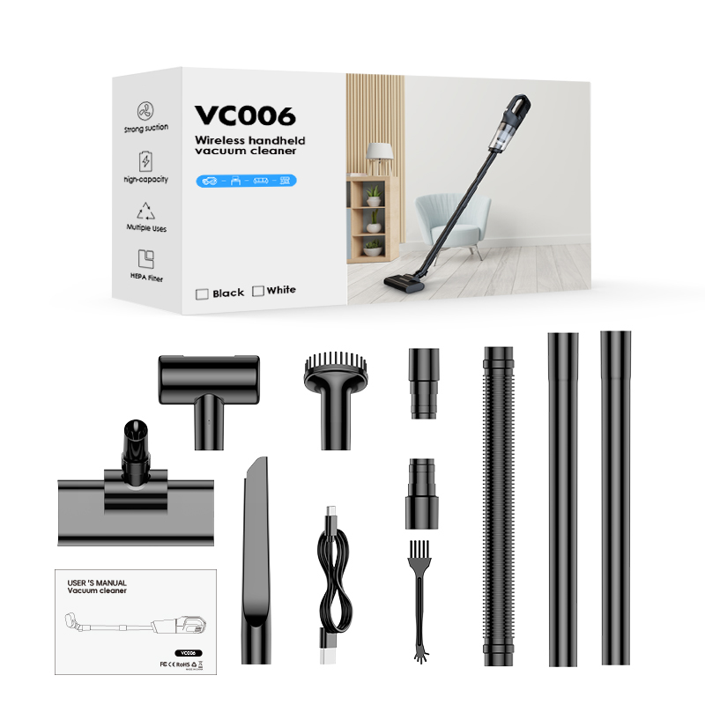 | VC006 (floor mop version) Single unit size: 346*87*104mm Single unit weight: 538g Color box size: 352X122X187mm Net weight: 1043g Gross weight: 1293g Outer box size: 505*365*580mm Outer box net weight: 15.6kg Outer box gross weight: 16.6kg Packing quantity: 12PSC/box

114B large mop | Vacuum vacuum cleaner brush motor | 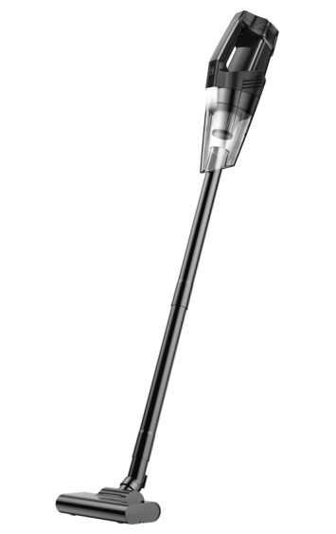 | Model: 114 Brushed motor Suction: 1st gear 4500-5000 PA 2nd gear 7000-7500 PA Power: 90W Input voltage: 5V-2A Battery capacity: 2000mAh*3 5C Endurance time: 1st gear 24-26 minutes 2nd gear 14-16 minutes Charging time: 3.5-4H Color: Black + Red Black Dark Night Green + Black Dust capacity: 0.35L | ①.90W high-power vacuum cleaner ②.7.5Kpa vacuum degree, dust is swept away ③.3.5-4H fast charging ④.Quiet operation, noise ≤85dB ⑤.Ultra-long battery life ⑥.For car, home and office use, multiple application scenarios ⑦.2000mA*3 high-capacity batteries10 English packaging ready stock + customized | 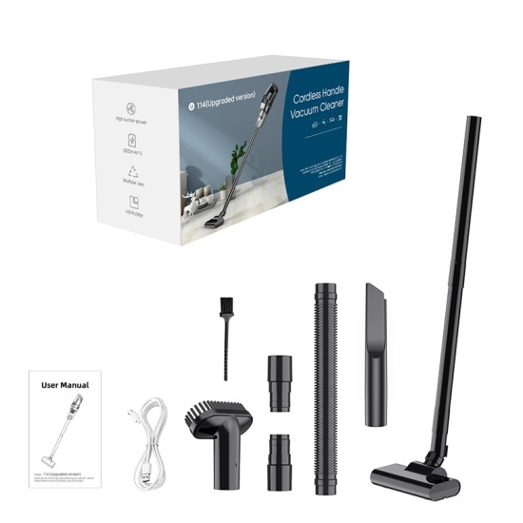 | Product size: 345*93*98mm Color box: 356.55*113.45*168mm Outer box: 58*37*59CM 12PCS/box Net weight: 16.4KG Gross weight: 17.4KG Packing quantity: 12 PCS/box

115B with mop | Vacuum vacuum cleaner with mop brush motor | 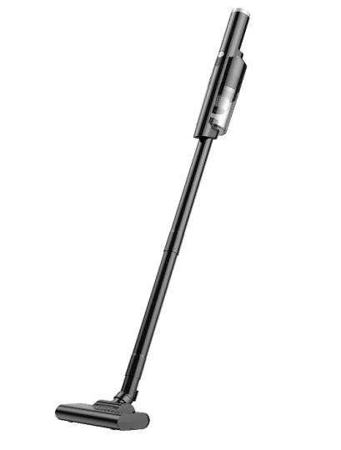 | Model: 115B floor mop with brush motor Suction: 1st gear 4500-5000 PA 2nd gear 7000-7500 PA Power: 90W Input voltage: 5V-2A Battery capacity: 2000mAh*3 5C Endurance time: 1st gear 24-26 minutes 2nd gear 14-16 minutes Charging time: 3.5-4H Color: black and white Dust capacity: 0.2L | ①.90W high-power vacuum cleaner ②.7-7.5Kpa vacuum degree, dust is swept away ③.3.5-4H fast charging ④.Quiet operation, noise ≤85dB ⑤.Ultra-long battery life ⑥.For car, home and office use, multiple application scenarios ⑦.2000mA*3 high-capacity batteries10 English packaging ready stock + customized | 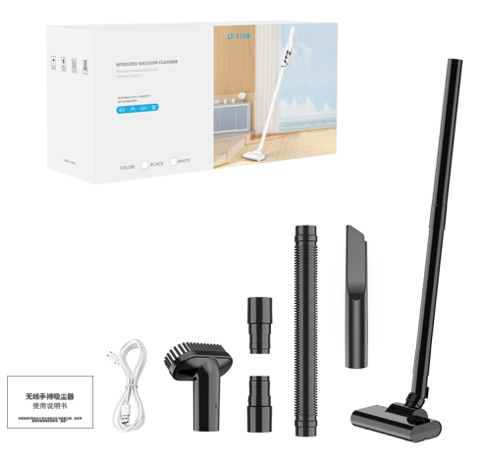 | Color box: 373*180*123mm Outer box: 51.5*39*56.5cm 12PCS/box Net weight: 14.6KG Gross weight: 17KG Packing quantity: 12PCS/box

VC008 with mop | Vacuum vacuum cleaner with mop brush motor | 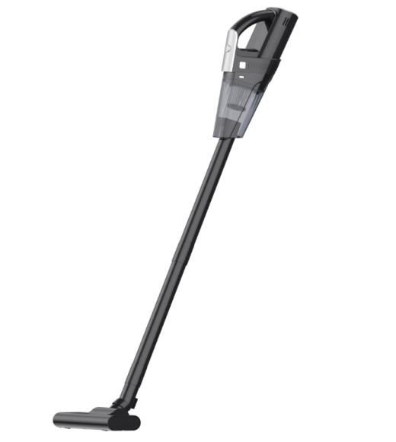 | Model: VC008 Floor mop with brushed motor Suction: 1st gear 4500-5000 PA 2nd gear 7000-7500 PA Power: 90W Input voltage: 5V-2A Battery capacity: 2000mAh*3 5C Endurance time: 1st gear 24-26 minutes 2nd gear 14-16 minutes Charging time: 3.5-4H Color: black white Dust capacity: 0.35L | ①.90W high-power vacuum cleaner ②.7-7.5Kpa vacuum degree, dust is swept away ③.3.5-4H fast charging ④.Quiet operation, noise ≤85dB ⑤.Ultra-long battery life ⑥.For car, home and office use, multiple application scenarios ⑦.2000mA*3 high-capacity batteries10 English packaging ready stock + customized | 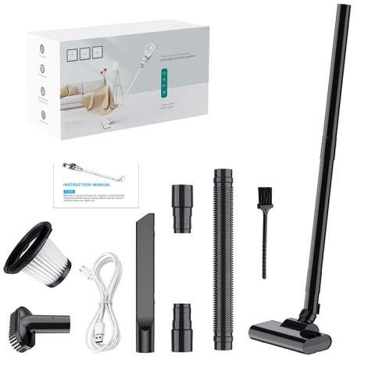 | Product size: 351.2*104*139.6mm (excluding extension rod) Color box: 355*140*180mm Outer box: 58*37*59cm 12PCS/box Net weight: 13.5KG Gross weight: 17.5KG Packing quantity: 12PCS/box

124EG | Vacuum vacuum cleaner with mop brush motor | 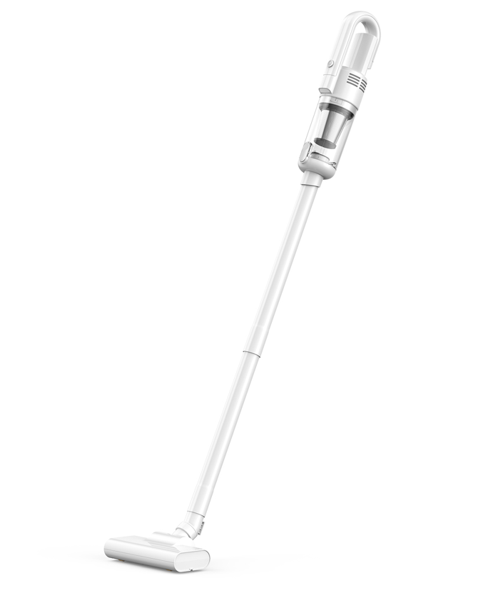 | Model: 124EG Brushed motor Suction: 6500 PA Power: 60W Input voltage: 5V-2A Battery capacity: 2000mAh*2 5C Endurance time: 18-20 minutes Charging time: 3.5-4H Color: Black White | ①.60W high-power vacuum cleaner ②.6.5Kpa vacuum degree, dust is swept away ③.3.5-4H fast charging ④.Quiet operation, noise ≤85dB ⑤.30min long battery life ⑥.For car, home and office use, multiple application scenarios ⑦.2000mA*2 high-capacity batteryOne-click dust removal 9 Metal filter new English packaging ready + customized |  | Color box: 345*155*195mm Outer box: 64.5*37.5*56cm Net weight: 16.5KGS Gross weight: 17.5KGS Packing quantity: 12PCS/box

113CG(016) | Vacuum vacuum cleaner with mop brush motor |  | Model: 113CG Brushed motor Suction: 6000 PA Power: 60W Input voltage: 5V-2A Battery capacity: 2000mAh*2 5C Endurance: 18-20 minutes Charging time: 3.5-4H Color: Black and white TYPE-C charging | ①.60W high-power vacuum cleaner ②.6Kpa vacuum degree, dust is swept away ③.3.5-4H fast charging ④.Quiet operation, noise ≤85dB ⑤.30min ultra-long battery life ⑥.For car, home and office use, multiple application scenarios ⑦.2000mA*2 high-capacity battery10 English packaging ready stock + customized |  | Color box: 345*155*195mm Outer box: 64*36*60.5CM 12PCS/box Net weight: 15.6KG Gross weight: 16.5KG Packing quantity: 12PCS/box

127CG(015)The New | Vacuum vacuum cleaner with brush |  | Model: 127CG Brushed motor suction: 5500-6000 PA Power: 60W Input voltage: TYPE-C-5V-2A Battery capacity: 1800mAh*2 5C Endurance time: 18 minutes Charging time: 3.5-4H Color: Black White | ①.60W high-power vacuum cleaner ②.5-5.5Kpa vacuum degree, dust is swept away ③.3.5-4H fast charging ④.Quiet operation, noise ≤85dB ⑤.18min ultra-long battery life ⑥.For car, home and office use, multiple application scenarios ⑦.1800mA*2 high-capacity battery8 One-click dust removal new English packaging ready + customized |  | Color box: 370*175*105(mm³) Outer box: 545*385*445(mm³) 20PCS/box Net weight: 16.5KG Gross weight: 17.5KG Packing quantity: 12PCS/box

 | Brush Vacuum Cleaner Series
VC006 new modelStandard | Vacuum cleanersWith brush |  | Model: VC006 Brushed motor Suction: 5500PA Power: 50W Input voltage: 5V-2A Battery capacity:1800mAh*2 5CBattery life: 15-17 minutes Charging time: 3.5-4H Color: Black and gray Dust capacity: 0.4L | ①.50W high-power vacuum cleaner ②.5.5Kpa vacuum degree, dust is swept away ③.3.5-4H fast charging ④.Quiet operation, noise ≤80dB ⑤.Extremely long battery life ⑥.For car, home and office use, multiple application scenarios ⑦.1800mA*2 high capacity battery10 English packaging ready stock + customized |  | VC006 (standard version) Single machine size: 346*87*104mm Single machine weight: 538g Color box size: 362X89X145mm Net weight: 714g Gross weight: 894g Outer box size: 455*375*470mm Outer box net weight: 13.5kg Outer box gross weight: 14.5kg Packing quantity: 15PCS/box

VC006 new high configuration | Vacuum cleanersWith brush |  | Model: VC006 Brushed motor Suction: 6300PA Power: 60W Input voltage: 5V-2A Battery capacity:2000mAh*2 5CBattery life: 15-17 minutes Charging time: 3.5-4H Color: Black and gray Dust capacity: 0.4L | ①.60W high-power vacuum cleaner ②.6.3Kpa vacuum degree, dust is swept away ③.3.5-4H fast charging ④.Quiet operation, noise ≤80dB ⑤.Extremely long battery life ⑥.For car, home and office use, multiple application scenarios ⑦.2000mA*2 high capacity battery10 pieces custom |  | VC006 (standard version) Single machine size: 346*87*104mm Single machine weight: 538g Color box size: 362X89X145mm Net weight: 714g Gross weight: 894g Outer box size: 455*375*470mm Outer box net weight: 13.5kg Outer box gross weight: 14.5kg Packing quantity: 15PCS/box

VC002 | Vacuum cleanersWith brush |  | Model: VC002 Brushed motor suction: 1st gear 4500-5000 PA 2nd gear 7000-7500 PA Power: 90W Input voltage: 5V-2A Battery capacity: 2000mAh*3 5C Endurance time: 1st gear 24-26 minutes 2nd gear 14-16 minutes Charging time: 3.5-4H Color: black white Dust capacity: 0.33L | ①.90W high-power vacuum cleaner ②.7-7.5Kpa vacuum degree, dust is swept away ③.3.5-4H fast charging ④.Quiet operation, noise ≤80dB ⑤.Ultra-long battery life ⑥.For car, home and office use, multiple application scenarios ⑦.2000mA*3 high-capacity batteries10 English packaging ready stock + customized |  | Product size: 338*98*65MM Color box: 342*168*139mm Outer box: 52.4*35.7*57.6CM 12PCS/box Net weight: 14.5KG Gross weight: 16.5KG Packing quantity: 12PCS/box

VC003 | Vacuum vacuum cleaner with brush |  | Model: VC003 Brushed motor Suction power:5500-6 000pa Power: 60W Input voltage: DC-5V-2A Battery capacity: 2000mAh*2 5C Endurance time: 18min Charging time: 3.5-4H Color: Black+Orange White+Orange Dust capacity: 0.25L | ①.60W high-power vacuum cleaner (3 series motor) ②.5.5-6Kpa vacuum degree, dust is swept away ③.3.5-4H fast charging ④.Quiet operation, noise ≤85dB ⑤.18min ultra-long battery life ⑥.For car, home and office use, multiple application scenarios ⑦.2000mA*2 high-capacity battery10 English packaging ready stock + customized |  | Product size: 345*93*98mm Color box: 346*130*112mm Outer box: 46.6*35.8*58CM 16PCS/box Net weight: 14.4KG Gross weight: 15.4KG Packing quantity: 16PCS/box

114D | Vacuum vacuum cleaner with brush |  | Model: 114D brushed motor Suction: 5500-6000 PA in the first gear Power: 90W Input voltage: 5V-2A Battery capacity: 2000mAh*2 5C Endurance time: 24-26 minutes in the first gear, 14-16 minutes in the second gear Charging time: 3.5-4H Color: Green Dust capacity: 0.35L | ①.60W high-power vacuum cleaner ②.6.5Kpa vacuum degree, dust is swept away ③.3.5-4H fast charging ④.Quiet operation, noise ≤85dB ⑤.Ultra-long battery life ⑥.For car, home and office use, multiple application scenarios ⑦.2000mA*3 high-capacity batteriesGreen Spot |  | Product size: 345*93*98mm Color box: 356.55*113.45*168mm Outer box: 58.5*37.2*52.4CM 15PCS/box Net weight: 15.5KG Gross weight: 16.5KG Packing quantity: 15PCS/box

114 | Vacuum vacuum cleaner with brush |  | Model: 114 Brushed motor Suction: 1st gear 4500-5000 PA 2nd gear 7000-7500 PA Power: 90W Input voltage: 5V-2A Battery capacity: 2000mAh*3 5C Endurance time: 1st gear 24-26 minutes 2nd gear 14-16 minutes Charging time: 3.5-4H Color: Black + Red Black Dark Night Green + Black Dust capacity: 0.35L | ①.90W high-power vacuum cleaner ②.7.5Kpa vacuum degree, dust is swept away ③.3.5-4H fast charging ④.Quiet operation, noise ≤85dB ⑤.Ultra-long battery life ⑥.For car, home and office use, multiple application scenarios ⑦.2000mA*3 high-capacity batteriesCustomized |  | Product size: 345*93*98mm Color box: 356.55*113.45*168mm Outer box: 58.5*37.2*52.4CM 15PCS/box Net weight: 15.5KG Gross weight: 16.5KG Packing quantity: 15PCS/box

115Q | Vacuum vacuum cleaner with brush |   | Model: 115Q Brushed motor Suction: 4200-4500PA Power: 60W Input voltage: 5V-2A Battery capacity: 1800mAh*2 5C Endurance time: 18min Charging time: 3.5-4H Color: White Black Dust capacity: 0.13L | ①.60W high-power vacuum cleaner (3 series motor) ②.4.2-4.5Kpa vacuum degree, dust is swept away ③.3.5-4H fast charging ④.Quiet operation, noise ≤85dB ⑤.18min ultra-long battery life ⑥.For car, home and office use, multiple application scenarios ⑦.1800mA*2 high-capacity batteryCustomized |   | Product: 319*67*63mm Color box: 324X88X73MM Outer box: 48*33.5*46.8cm Net weight: 18.5KG Gross weight: 19KG Packing quantity: 30PCS/box


115C | Vacuum vacuum cleaner with brush |  | Model: 115C Brushed motor suction: 1st gear 4500-5000 PA 2nd gear 7500-8000 PA Power: 90W Input voltage: 5V-2A Battery capacity: 2000mAh*3 5C Endurance time: 1st gear 24-26 minutes 2nd gear 14-16 minutes Charging time: 3.5-4H Color: black and white Dust capacity: 0.2L | ①.90W high-power vacuum cleaner ②.7.5-8Kpa vacuum degree, dust is swept away ③.3.5-4H fast charging ④.Quiet operation, noise ≤85dB ⑤.Ultra-long battery life ⑥.For car, home and office use, multiple application scenarios ⑦.2000mA*3 high-capacity batteriesCustomized |  | Product size: 370X80X74mm Color box: 373X123X160mm Outer box: 51X39X50cm Product net weight: 805g Product gross weight: 1066g Net weight: 12.88KG Gross weight: 13.8KG Packing quantity: 12PCS/box

VC008D | Vacuum vacuum cleaner with brush |  | Model: VC008 Brushed motor Suction power: 5500-6000 PA Input voltage: 5V-2A Battery capacity: 2000mAh*2 5C Endurance time: about 18 minutes Charging time: 3.5-4H Color: black and white Dust capacity: 0.35L | ①.60W high-power vacuum cleaner ②.5.5-6Kpa vacuum degree, dust is swept away ③.3.5-4H fast charging ④.Quiet operation, noise ≤85dB ⑤.Ultra-long battery life ⑥.For car, home and office use, multiple application scenarios ⑦.2000mA*2 high-capacity battery10 English packaging ready stock + customized |  | Product size: 351.2*104*139.6mm Color box: 355*140*140mm Outer box: 58*37*59cm 16PCS/box Net weight: 13.2KG Gross weight: 17.8KG Packing quantity: 16PCS/box

VC008B | Vacuum vacuum cleaner with brush |  | Model: VC008 Brushed motor suction: 1st gear 4500-5000 PA 2nd gear 7000-7500 PA Power: 90W Input voltage: 5V-2A Battery capacity: 2000mAh*3 5C Endurance time: 1st gear 24-26 minutes 2nd gear 14-16 minutes Charging time: 3.5-4H Color: black white Dust capacity: 0.35L | ①.90W high-power vacuum cleaner ②.7-7.5Kpa vacuum degree, dust is swept away ③.3.5-4H fast charging ④.Quiet operation, noise ≤85dB ⑤.Ultra-long battery life ⑥.For car, home and office use, multiple application scenarios ⑦.2000mA*3 high-capacity batteries10 English packaging ready stock + customized |  | Product size: 351.2*104*139.6mm Color box: 355*140*140mm Outer box: 58*37*59cm 16PCS/box Net weight: 13.2KG Gross weight: 17.8KG Packing quantity: 16PCS/box

127C(015)The New | Vacuum vacuum cleaner with brush |  | Model: 127C Brushed motor Suction: 5500-6000 PA Power: 50W Input voltage: DC-5V-2A Battery capacity: 1800mAh*2 5C Endurance time: 18 minutes Charging time: 3.5-4H Color: Black White | ①.50W high-power vacuum cleaner ②.5-5.5Kpa vacuum degree, dust is swept away ③.3.5-4H fast charging ④.Quiet operation, noise ≤85dB ⑤.18min ultra-long battery life ⑥.For car, home and office use, multiple application scenarios ⑦.1800mA*2 high-capacity batteryOne-click dust removal new English packaging ready + customized |  | Color box: 346*105*135mm Outer box: 55*36.5*56.5cm 20PCS/box Net weight: 16.6KG Gross weight: 17.5KG Packing quantity: 15PCS/box Single net weight: 830G Single gross weight: 880G

124C | Vacuum vacuum cleaner with brush |  | Model: 124C Brushed motor Suction: 6000-6500 PA Power: 50W Input voltage: DC-5V-2A Battery capacity: 2000mAh*2 5C Endurance: 18 minutes Charging time: 3.5-4H Color: Black White | ①.50W high-power vacuum cleaner ②.5-5.5Kpa vacuum degree, dust is swept away ③.3.5-4H fast charging ④.Quiet operation, noise ≤85dB ⑤.18min ultra-long battery life ⑥.For car, home and office use, can be used in multiple application scenarios ⑦.2000mA*2 high-capacity battery8 One-click dust removal 9 Metal filter new English packaging ready + customized |  | Color box: 346*105*135mm Outer box: 55*36.5*56.5cm 20PCS/box Net weight: 16.6KG Gross weight: 17.5KG Packing quantity: 20PCS/box

113C | Vacuum vacuum cleaner with brush |  | Model: 113C Brushed motor Suction: 5000-5500 PA Power: 50W Input voltage: 5V-2A Battery capacity: 1800mAh*2 5C Endurance: 18 minutes Charging time: 3.5-4H Color: Black White | ①.50W high-power vacuum cleaner ②.5-5.5Kpa vacuum degree, dust is swept away ③.3.5-4H fast charging ④.Quiet operation, noise ≤85dB ⑤.18min ultra-long battery life ⑥.For car, home and office use, multiple application scenarios ⑦.1800mA*2 high-capacity battery10 English packaging ready stock + customized |  | Color box: 346*105*135mm Outer box: 55*36.5*56.5cm 20PCS/box Net weight: 16.6KG Gross weight: 17.5KG Packing quantity: 20PCS/box

105C | Vacuum vacuum cleaner with brush |  | Model: 105C Brushed motor Suction: 4000 PA Power: 50W Input voltage: DC-5V-2A Battery capacity: 1800mAh*2 5C Endurance time: 18 minutes Charging time: 3.5-4H Color: Black Dust cup capacity: 125mL | ①.50W high-power vacuum cleaner ②.4Kpa vacuum degree, dust is swept away ③.3.5-4H fast charging ④.Quiet operation, noise ≤85dB ⑤.18min ultra-long battery life ⑥.For car, home and office use, multiple application scenarios ⑦.1800mA*2 high-capacity battery10 English packaging ready stock + customized |  | Product: 275*72*71mm Product gross weight: 0.572KGS Cowhide box 297*100*105 (mm) Outer box 610*525*335 (mm³) 30PCS/box Net weight: 17KG Gross weight: 18KG Packing quantity: 30PCS/box

118C | Vacuum vacuum cleaner with brush |  | Model: 118C Brushed motor Suction: 4500 PA Power: 50W Input voltage: 5V-2A Battery capacity: 1800mAh*2 5C Endurance: 18 minutes Charging time: 3.5-4H Color: Black TYPE-C charging cable | ①.50W high-power vacuum cleaner ②.4Kpa vacuum degree, dust is swept away ③.3.5-4H fast charging ④.Quiet operation, noise ≤85dB ⑤.18min ultra-long battery life ⑥.For car, home and office use, multiple application scenarios ⑦.1800mA*2 high-capacity battery10 English packaging ready stock + customized |  | Color box: 300*84*70mm Outer box: 53.5*32.2*47cm 30PCS/box Net weight: 17.4KG Gross weight: 18.3KG Packing quantity: 30PCS/box

101 | Vacuum vacuum cleaner with brush |  | Model: 101 Brushed Motor Suction Power:4200pa Power: 50W Input voltage: 8.4V-0.8A Battery capacity: 1800mAh*2 5C Endurance time: 18min Charging time: 3.5-4H Color: White Black | ①.50W high-power vacuum cleaner (3 series motor) ②.4.2Kpa vacuum degree, dust is swept away ③.3.5-4H fast charging ④.Quiet operation, noise ≤80dB ⑤.18min ultra-long battery life ⑥.For car, home and office use, multiple application scenarios ⑦.1800mA*2 high-capacity battery10 English packaging ready stock + customized |  | Color box: 251*169*74mm Outer box: 53*52.5*39.5cm 30PCS/box Net weight: 18.6KG Gross weight: 19.7KG Packing quantity: 30PCS/box

117C | Vacuum vacuum cleaner with brush |  | Model: 117C Brushed motor Suction: 4000 PA Power: 50W Input voltage: 5V-2A Battery capacity: 1800mAh*2 5C Endurance: 18 minutes Charging time: 3.5-4H Color: Black Blue | ①.50W high-power vacuum cleaner ②.4Kpa vacuum degree, dust is swept away ③.3.5-4H fast charging ④.Quiet operation, noise ≤85dB ⑤.18min ultra-long battery life ⑥.For car, home and office use, multiple application scenarios ⑦.1800mA*2 high-capacity battery10 English packaging ready stock + customized |  | Color box: 195*160*68mm Outer box: 50.5*42*37.5cm 30PCS/box Net weight: 16.5KG Gross weight: 17.3KG Packing quantity: 30PCS/box

106C | Vacuum vacuum cleaner (2 batteries) with brush |  | Model: 106C Brushed motor Suction: 5000PA Power: 50W Input voltage: 5V-2A Battery capacity: 2000mAh*2 5C Endurance time: 18-20 minutes Charging time: 3.5-4H Color: Black White | ①.50W high-power vacuum cleaner ②.5Kpa vacuum degree, dust is swept away ③.Quick charging in about 4 hours ④.Quiet operation, noise ≤85dB ⑤.Ultra-long battery life ⑥.For car, home and office use, multiple application scenarios ⑦.2000mA*2 high-capacity battery10 English packaging ready stock + customized |  | Color box: 390x100x135mm Outer box: 52.5*40.5*42.5cm 15PCS/box Net weight: 12.3KG Gross weight: 13KG Packing quantity: 15PCS/box

121C | Vacuum vacuum cleaner with brush |  | Model: 121C Brushed motor Suction: 4500 PA Power: 50W Input voltage: 5V-2A Battery capacity: 1800mAh*2 5C Endurance time: 18 minutes Charging time: 3.5-4H Color: black, white Dust cup capacity: 0.15L | ①.50W high-power vacuum cleaner ②.4Kpa vacuum degree, dust is swept away ③.3.5-4H fast charging ④.Quiet operation, noise ≤85dB ⑤.18min ultra-long battery life ⑥.For car, home and office use, multiple application scenarios ⑦.1800mA*2 high-capacity battery10 English packaging ready stock + customized |  | Kraft box: 340*88*68 (mm) Product gross weight: 0.54KGS Outer box: 470*355*435 (mm) 30PCS/box Net weight: 16.5KG Gross weight: 17 KG Packing quantity: 30PCS/box

 | Corded Vacuum Cleaner Series
105C Wired | Vacuum vacuum cleaner with brush |  | Model: 105C wired brushed motor Suction: 4000 PA Power: 50W Power cord length: 1.8M Color: Black Dust cup capacity: 125mL | ①.50W high-power vacuum cleaner ②.4Kpa vacuum degree, dust is swept away ④.Quiet operation, noise ≤85dB ③.Car power supply, no fear of time limit ④.Built-in fuse, worry-free use ⑤.4.2M super long power cord, can be used in front of or behind the car10 English packaging ready stock + customized |  | Product: 297*100*105mm Product gross weight: 0.543KGS Cowhide box: 297*100*105 (mm³) Outer box: 610*525*335 (mm³) 30PCS/box Net weight: 16.4KG Gross weight: 17.3KG Packing quantity: 30PCS/box

VC008C Wired | Vacuum vacuum cleaner with brush |  | Model: VC008C Wired brushed motor Suction: 5500-6000 PA Power: 60W Power cord length: 5M Fuse specification: 250V/10A Color: Black + Silver White + Silver Dust capacity: 0.35L | ①.5.5-6Kpa vacuum degree, sweep away all the garbage ②.60W high-power motor, dust removal is easy ③. Car power supply, no fear of time limit ④. Built-in fuse, worry-free use ⑤.5M extra-long power cord, can be used in front of or behind the carCustomized |  | Product size: 351.2*104*139.6mm Color box: 355*140*140mm Outer box: 58*37*59cm 16PCS/box Net weight: 13.2KG Gross weight: 17.8KG Packing quantity: 16PCS/box


VC003B Wired | Vacuum vacuum cleaner with wire and brush |  | Model: VC003B Brushed motor suction: 5500-6000 PA Power: 60W Power cord length: 5M Fuse specification: 250V/10A Color: Black + Orange Dust capacity: 0.25L | ①.5.5-6Kpa vacuum degree, sweep away all the garbage ②.60W high-power motor, dust removal is easy ③. Car power supply, no fear of time limit ④. Built-in fuse, worry-free use ⑤.5M extra-long power cord, can be used in front of or behind the car 10 English packaging ready stock + customized |  | Product size: 345*93*98mm Color box: 346*111.5*140mm Outer box: 46.6*35.8*58CM 16PCS/box Net weight: 16KG Gross weight: 17KG Packing quantity: 16PCS/box


 | Brushless Vacuum Cleaner Series
VC029Brushless | Vacuum cleanersNew brushless motor digital display cyclone dust cup |  | Model:VC029Brushless Motor Suction force: 10000PA, second gear 14000-14300PA Power: 100W Input voltage: 5V-2A Battery capacity: 2000mAh*3 5C Endurance time: first gear 24-26 minutes, second gear 14-16 minutes Charging time: 3.5-4H Color: black and white Dust capacity: 0.35LOptimized structure, lower loss, less noise, greater suction, digital display of power | ①.100W high-power vacuum cleaner ②.1.4Kpa vacuum degree, dust is swept away ③.3.5-4H fast charging ④.Quiet operation, noise ≤85dB ⑤.Ultra-long battery life ⑥.For car, home and office use, multiple application scenarios ⑦.2000mA*3 high-capacity batteries10 English packaging ready stock + customized |  | Color box: 375X145X85mm Outer box: 46*39*53.5cm Product net weight: 731g Product gross weight: 875g Net weight: 16.8KG Gross weight: 17.8KG Packing quantity: 18PCS/box

VC028Brushless | Vacuum cleanersNew brushless motor digital display cyclone dust cup |  | Model:VC028Brushless Motor Suction force: 10000PA, second gear 14000-14300PA Power: 100W Input voltage: 5V-2A Battery capacity: 2000mAh*3 5C Endurance time: first gear 24-26 minutes, second gear 14-16 minutes Charging time: 3.5-4H Color: black and white Dust capacity: 0.35LOptimized structure, lower loss, less noise, greater suction, digital display of power | ①.100W high-power vacuum cleaner ②.1.4Kpa vacuum degree, dust is swept away ③.3.5-4H fast charging ④.Quiet operation, noise ≤85dB ⑤.Ultra-long battery life ⑥.For car, home and office use, multiple application scenarios ⑦.2000mA*3 high-capacity batteries10 English packaging ready stock + customized |  | Color box: 375X145X85mm Outer box: 46*39*53.5cm Product net weight: 731g Product gross weight: 875g Net weight: 16.8KG Gross weight: 17.8KG Packing quantity: 18PCS/box

VC030(Brushless) | Vacuum cleaners(Blow/Pump/Suction/Inflate 4 in 1) |  | Model:VC030 Digital display brushless motor Suction force: 8000-9000PA in the first gear, 13500-14000PA in the second gear Power: 100W Input voltage: 5V-2A Battery capacity: 11.1V 2000mAh*3 Endurance time: 27-30 minutes in the first gear, 17-20 minutes in the second gear Charging time: 3.5-4H Color: beige Dust capacity: 160mL TYPE-C charging | ①.100W high-power vacuum cleaner ②.1.4Kpa vacuum degree, dust is swept away ③.3.5-4H fast charging ④.Quiet operation, noise ≤75dB ⑤.Extremely long battery life ⑥.For car, home and office use, can be used in multiple application scenarios ⑦.2000mA*3 high-capacity batteries ⑧.One-button dust removal ⑨.Digital displayEnglish packaging ready stock (minimum order of 500) + customized blowing, pumping, suction, inflation 4-in-1 |  | VC030 Single machine size: 296*56mm Single machine weight: 461g Color box size: 310X107X75mm Net weight: 544g Gross weight: 654g Outer box size: 450X320X395mm Outer box net weight: 13.1kg Outer box gross weight: 14.1kg Packing quantity: 20PCS/box

VC012(Brushless) | Vacuum cleaners(Blowing and suction in one) |  | Model: VC012 Metal digital display brushless motorSuction: 8000-9000PA in the first gear, 13000-14000PA in the second gear Power: 100W Input voltage: 5V-2A Battery capacity: 2000mAh*3 5C Endurance time: 24-26 minutes in the first gear, 14-16 minutes in the second gear Charging time: 3.5-4H Color: black, green, silver, gun color Dust capacity: 0.15L TYPE-C charging | ①.100W high-power vacuum cleaner ②.1.35Kpa vacuum degree, dust is swept away ③.3.5-4H fast charging ④.Quiet operation, noise ≤75dB ⑤.Extremely long battery life ⑥.For car, home and office use, can be used in multiple application scenarios ⑦.2000mA*3 high-capacity batteries ⑧.One-button dust removal ⑨.Digital display ⑩.Metal body9English packaging ready-made + customized dust blower |  | Product size: 276.5*57MM Color box: 290X107X75MM Outer box: 45×30×39.5cm Product net weight: 562g Product gross weight: 709g Net weight: 14.2KG Gross weight: 15.2KG Packing quantity: 20PCS/box

VC021Brushless | Vacuum cleanersNew brushless motor |  | Model:VC021Brushless MotorSuction: 8000PA 2nd gear 12500-13000PA Power: 100W Input voltage: 5V-2A Battery capacity: 2600mAh*2 5C Endurance time: 1st gear 24-26 minutes 2nd gear 14-16 minutes Charging time: 3.5-4H Color: black and white Dust capacity: 0.35L | ①.100W high-power vacuum cleaner ②.1.3Kpa vacuum degree, dust is swept away ③.3.5-4H fast charging ④.Quiet operation, noise ≤85dB ⑤.Ultra-long battery life ⑥.For car, home and office use, multiple application scenarios ⑦.2600mA*2 high-capacity battery10 English packaging ready stock + customized |  | VC021 (standard version) Single machine size: 338.5X73X78mm Single machine weight: 442g Color box size: 348X112X80mm Net weight: 533g Gross weight: 643g Outer box size: 468X360X420mm Outer box net weight: 13.kg Outer box gross weight: 14.kg Packing quantity: 20/box

VC008Brushless | Vacuum cleanersBrushless Motor |  | Model:VC008Brushless MotorSuction force: 9000PA, second gear 13000-13500PA Power: 100W Input voltage: 5V-2A Battery capacity: 2000mAh*3 5C Endurance time: first gear 24-26 minutes, second gear 14-16 minutes Charging time: 3.5-4H Color: black and white Dust capacity: 0.35L | ①.100W high-power vacuum cleaner ②.1.35Kpa vacuum degree, dust is swept away ③.3.5-4H fast charging ④.Quiet operation, noise ≤85dB ⑤.Ultra-long battery life ⑥.For car, home and office use, multiple application scenarios ⑦.2000mA*3 high-capacity batteries10 English packaging ready stock + customized |  | Product size: 351.2*104*139.6mm Color box: 355*140*140mm Outer box: 58*37*59cm 16PCS/box Net weight: 13.2KG Gross weight: 17.8KG Packing quantity: 16PCS/box

VC005Brushless | Vacuum cleanersBrushless Motor |  | Model:VC005 Brushless MotorSuction force: 1st gear 7000-7500 PA 2nd gear 13000-13500 PA Power: 100W Input voltage: 5V-2A Battery capacity: 2000mAh*3 5C Endurance time: 1st gear 24-26 minutes 2nd gear 14-16 minutes Charging time: 3.5-4H Color: black and white Dust capacity: 0.35L | ①.110W high-power vacuum cleaner ②.1.35Kpa vacuum degree, dust is swept away ③.3.5-4H fast charging ④.Quiet operation, noise ≤85dB ⑤.Ultra-long battery life ⑥.For car, home and office use, multiple application scenarios ⑦.2000mA*3 high-capacity batteries10 English packaging ready stock + customized |  | Product: 381*95*113mm Color box: 378*130*133.5mm Outer box: 39.3*55*53.5CM 16PCS/box Net weight: 16.5KG Gross weight: 17.5KG Packing quantity: 16PCS/box

 | Vacuum cleaner floor mop series
VC028 with mop(Brushless) | Vacuum vacuum cleaner with mopBrushless motor digital display one-button dust emptying cyclone dust cup new model |  | Model: VC028 Floor mopBrushless MotorSuction: 10000PA 2nd gear 14000-14300PA Power: 100W Input voltage: 5V-2A Battery capacity: 2000mAh*3 5C Endurance time: 1st gear 24-26 minutes 2nd gear 14-16 minutes Charging time: 3.5-4H Color: Black Dust capacity: 0.35LOptimized structure, lower loss, less noise, greater suction, digital display of power | ①.100W high-power vacuum cleaner ②.14-14.3Kpa vacuum degree, dust is swept away ③.3.5-4H fast charging ④.Quiet operation, noise ≤85dB ⑤.Ultra-long battery life ⑥.For car, home and office use, multiple application scenarios ⑦.2000mA*3 high-capacity batteries10 English packaging ready stock + customized |  | Color box: 360X132X168mm Outer box: 54.5*37.5*52.5CM Net weight: 1074g Gross weight: 1348g Net weight: 16.2KG Gross weight: 17.2KG Packing quantity: 12PCS/box

VC008 with mop(Brushless) | Vacuum vacuum cleaner with mopBrushless Motor |  | Model: VC008 Floor mopBrushless Motor Suction force: 9000PA, second gear 13500-14000PA Power: 100W Input voltage: 5V-2A Battery capacity: 2000mAh*3 5C Endurance time: first gear 24-26 minutes, second gear 14-16 minutes Charging time: 3.5-4H Color: black and white Dust capacity: 0.35L | ①.100W high-power vacuum cleaner ②.1.4Kpa vacuum degree, dust is swept away ③.3.5-4H fast charging ④.Quiet operation, noise ≤85dB ⑤.Ultra-long battery life ⑥.For car, home and office use, multiple application scenarios ⑦.2000mA*3 high-capacity batteries10 English packaging ready stock + customized |  | Product size: 351.2*104*139.6mm (excluding extension rod) Color box: 355*140*180mm Outer box: 58*37*59cm 12PCS/box Net weight: 13.5KG Gross weight: 17.5KG Packing quantity: 12PCS/box

127CG (PLUS) | Vacuum vacuum cleaner with mop Brushless Motor |  | model: 124EGPLUS Brushless MotorSuction: 13000 PA Power: 100W Input voltage: 5V-2A Battery capacity: 2000mAh*2 5C Endurance time: 18-20 minutes Charging time: 3.5-4H Color: Black White | ①.100W high-power vacuum cleaner ②.13Kpa vacuum degree, dust is swept away ③.3.5-4H fast charging ④.Quiet operation, noise ≤85dB ⑤.30min long battery life ⑥.For car, home and office use, multiple application scenarios ⑦.2000mA*2 high-capacity battery8 One-click dust removal 9 Metal filter element 1000 yuan or more for customization |  | Color box: 370*175*105(mm³) Outer box: 545*385*445(mm³) 20PCS/box Net weight: 16.5KG Gross weight: 17.5KG Packing quantity: 12PCS/box

124EG (PLUS) | Vacuum vacuum cleaner with mopBrushless Motor |  | model: 124EG PLUS Brushless MotorSuction: 13000 PA Power: 100W Input voltage: 5V-2A Battery capacity: 2000mAh*2 5C Endurance time: 18-20 minutes Charging time: 3.5-4H Color: Black White | ①.100W high-power vacuum cleaner ②.13Kpa vacuum degree, dust is swept away ③.3.5-4H fast charging ④.Quiet operation, noise ≤85dB ⑤.30min long battery life ⑥.For car, home and office use, multiple application scenarios ⑦.2000mA*2 high-capacity battery8 One-click dust removal 9 Metal filter element 1000 yuan or more for customization |  | Color box: 345*155*195mm Outer box: 64.5*37.5*56cm Net weight: 16.5KGS Gross weight: 17.5KGS Packing quantity: 12PCS/box

VC006 floor mopThe New | Vacuum cleanersWith brush |  | Model: VC006 floor mop with brush motor Suction: 6500PA Power: 60W Input voltage: 5V-2A Battery capacity: 2000mAh*2 5C Endurance time: 15-17 minutes Charging time: 3.5-4H Color: black and gray Dust capacity: 0.36L | ①.60W high-power vacuum cleaner ②.6.5Kpa vacuum degree, dust is swept away ③.3.5-4H fast charging ④.Quiet operation, noise ≤80dB ⑤.Ultra-long battery life ⑥.For car, home and office use, multiple application scenarios ⑦.2000mA*2 high-capacity battery10 English packaging ready stock + customized |  | VC006 (floor mop version) Single unit size: 346*87*104mm Single unit weight: 538g Color box size: 352X122X187mm Net weight: 1043g Gross weight: 1293g Outer box size: 505*365*580mm Outer box net weight: 15.6kg Outer box gross weight: 16.6kg Packing quantity: 12PSC/box

114B large mop | Vacuum vacuum cleaner brush motor |  | Model: 114 Brushed motor Suction: 1st gear 4500-5000 PA 2nd gear 7000-7500 PA Power: 90W Input voltage: 5V-2A Battery capacity: 2000mAh*3 5C Endurance time: 1st gear 24-26 minutes 2nd gear 14-16 minutes Charging time: 3.5-4H Color: Black + Red Black Dark Night Green + Black Dust capacity: 0.35L | ①.90W high-power vacuum cleaner ②.7.5Kpa vacuum degree, dust is swept away ③.3.5-4H fast charging ④.Quiet operation, noise ≤85dB ⑤.Ultra-long battery life ⑥.For car, home and office use, multiple application scenarios ⑦.2000mA*3 high-capacity batteries10 English packaging ready stock + customized |  | Product size: 345*93*98mm Color box: 356.55*113.45*168mm Outer box: 58*37*59CM 12PCS/box Net weight: 16.4KG Gross weight: 17.4KG Packing quantity: 12 PCS/box

115B with mop | Vacuum vacuum cleaner with mop brush motor |  | Model: 115B floor mop with brush motor Suction: 1st gear 4500-5000 PA 2nd gear 7000-7500 PA Power: 90W Input voltage: 5V-2A Battery capacity: 2000mAh*3 5C Endurance time: 1st gear 24-26 minutes 2nd gear 14-16 minutes Charging time: 3.5-4H Color: black and white Dust capacity: 0.2L | ①.90W high-power vacuum cleaner ②.7-7.5Kpa vacuum degree, dust is swept away ③.3.5-4H fast charging ④.Quiet operation, noise ≤85dB ⑤.Ultra-long battery life ⑥.For car, home and office use, multiple application scenarios ⑦.2000mA*3 high-capacity batteries10 English packaging ready stock + customized |  | Color box: 373*180*123mm Outer box: 51.5*39*56.5cm 12PCS/box Net weight: 14.6KG Gross weight: 17KG Packing quantity: 12PCS/box

VC008 with mop | Vacuum vacuum cleaner with mop brush motor |  | Model: VC008 Floor mop with brushed motor Suction: 1st gear 4500-5000 PA 2nd gear 7000-7500 PA Power: 90W Input voltage: 5V-2A Battery capacity: 2000mAh*3 5C Endurance time: 1st gear 24-26 minutes 2nd gear 14-16 minutes Charging time: 3.5-4H Color: black white Dust capacity: 0.35L | ①.90W high-power vacuum cleaner ②.7-7.5Kpa vacuum degree, dust is swept away ③.3.5-4H fast charging ④.Quiet operation, noise ≤85dB ⑤.Ultra-long battery life ⑥.For car, home and office use, multiple application scenarios ⑦.2000mA*3 high-capacity batteries10 English packaging ready stock + customized |  | Product size: 351.2*104*139.6mm (excluding extension rod) Color box: 355*140*180mm Outer box: 58*37*59cm 12PCS/box Net weight: 13.5KG Gross weight: 17.5KG Packing quantity: 12PCS/box

124EG | Vacuum vacuum cleaner with mop brush motor |  | Model: 124EG Brushed motor Suction: 6500 PA Power: 60W Input voltage: 5V-2A Battery capacity: 2000mAh*2 5C Endurance time: 18-20 minutes Charging time: 3.5-4H Color: Black White | ①.60W high-power vacuum cleaner ②.6.5Kpa vacuum degree, dust is swept away ③.3.5-4H fast charging ④.Quiet operation, noise ≤85dB ⑤.30min long battery life ⑥.For car, home and office use, multiple application scenarios ⑦.2000mA*2 high-capacity batteryOne-click dust removal 9 Metal filter new English packaging ready + customized |  | Color box: 345*155*195mm Outer box: 64.5*37.5*56cm Net weight: 16.5KGS Gross weight: 17.5KGS Packing quantity: 12PCS/box

113CG | Vacuum vacuum cleaner with mop brush motor |  | Model: 113CG Brushed motor Suction: 6000 PA Power: 60W Input voltage: 5V-2A Battery capacity: 2000mAh*2 5C Endurance: 18-20 minutes Charging time: 3.5-4H Color: Black and white TYPE-C charging | ①.60W high-power vacuum cleaner ②.6Kpa vacuum degree, dust is swept away ③.3.5-4H fast charging ④.Quiet operation, noise ≤85dB ⑤.30min ultra-long battery life ⑥.For car, home and office use, multiple application scenarios ⑦.2000mA*2 high-capacity battery10 English packaging ready stock + customized |  | Color box: 345*155*195mm Outer box: 64*36*60.5CM 12PCS/box Net weight: 15.6KG Gross weight: 16.5KG Packing quantity: 12PCS/box

127CGThe New | Vacuum vacuum cleaner with brush |  | Model: 127CG Brushed motor suction: 5500-6000 PA Power: 60W Input voltage: TYPE-C-5V-2A Battery capacity: 1800mAh*2 5C Endurance time: 18 minutes Charging time: 3.5-4H Color: Black White | ①.60W high-power vacuum cleaner ②.5-5.5Kpa vacuum degree, dust is swept away ③.3.5-4H fast charging ④.Quiet operation, noise ≤85dB ⑤.18min ultra-long battery life ⑥.For car, home and office use, multiple application scenarios ⑦.1800mA*2 high-capacity battery8 One-click dust removal new English packaging ready + customized |  | Color box: 370*175*105(mm³) Outer box: 545*385*445(mm³) 20PCS/box Net weight: 16.5KG Gross weight: 17.5KG Packing quantity: 12PCS/box

 | Brush Vacuum Cleaner Series
VC006 new modelStandard | Vacuum cleanersWith brush |  | Model: VC006 Brushed motor Suction: 5500PA Power: 50W Input voltage: 5V-2A Battery capacity:1800mAh*2 5CBattery life: 15-17 minutes Charging time: 3.5-4H Color: Black and gray Dust capacity: 0.4L | ①.50W high-power vacuum cleaner ②.5.5Kpa vacuum degree, dust is swept away ③.3.5-4H fast charging ④.Quiet operation, noise ≤80dB ⑤.Extremely long battery life ⑥.For car, home and office use, multiple application scenarios ⑦.1800mA*2 high capacity battery10 English packaging ready stock + customized |  | VC006 (standard version) Single machine size: 346*87*104mm Single machine weight: 538g Color box size: 362X89X145mm Net weight: 714g Gross weight: 894g Outer box size: 455*375*470mm Outer box net weight: 13.5kg Outer box gross weight: 14.5kg Packing quantity: 15PCS/box

VC006 new high configuration | Vacuum cleanersWith brush |  | Model: VC006 Brushed motor Suction: 6300PA Power: 60W Input voltage: 5V-2A Battery capacity:2000mAh*2 5CBattery life: 15-17 minutes Charging time: 3.5-4H Color: Black and gray Dust capacity: 0.4L | ①.60W high-power vacuum cleaner ②.6.3Kpa vacuum degree, dust is swept away ③.3.5-4H fast charging ④.Quiet operation, noise ≤80dB ⑤.Extremely long battery life ⑥.For car, home and office use, multiple application scenarios ⑦.2000mA*2 high capacity battery10 pieces custom |  | VC006 (standard version) Single machine size: 346*87*104mm Single machine weight: 538g Color box size: 362X89X145mm Net weight: 714g Gross weight: 894g Outer box size: 455*375*470mm Outer box net weight: 13.5kg Outer box gross weight: 14.5kg Packing quantity: 15PCS/box

VC002 | Vacuum cleanersWith brush |  | Model: VC002 Brushed motor suction: 1st gear 4500-5000 PA 2nd gear 7000-7500 PA Power: 90W Input voltage: 5V-2A Battery capacity: 2000mAh*3 5C Endurance time: 1st gear 24-26 minutes 2nd gear 14-16 minutes Charging time: 3.5-4H Color: black white Dust capacity: 0.33L | ①.90W high-power vacuum cleaner ②.7-7.5Kpa vacuum degree, dust is swept away ③.3.5-4H fast charging ④.Quiet operation, noise ≤80dB ⑤.Ultra-long battery life ⑥.For car, home and office use, multiple application scenarios ⑦.2000mA*3 high-capacity batteries10 English packaging ready stock + customized |  | Product size: 338*98*65MM Color box: 342*168*139mm Outer box: 52.4*35.7*57.6CM 12PCS/box Net weight: 14.5KG Gross weight: 16.5KG Packing quantity: 12PCS/box

VC003 | Vacuum vacuum cleaner with brush |  | Model: VC003 Brushed motor Suction power:5500-6 000pa Power: 60W Input voltage: DC-5V-2A Battery capacity: 2000mAh*2 5C Endurance time: 18min Charging time: 3.5-4H Color: Black+Orange White+Orange Dust capacity: 0.25L | ①.60W high-power vacuum cleaner (3 series motor) ②.5.5-6Kpa vacuum degree, dust is swept away ③.3.5-4H fast charging ④.Quiet operation, noise ≤85dB ⑤.18min ultra-long battery life ⑥.For car, home and office use, multiple application scenarios ⑦.2000mA*2 high-capacity battery10 English packaging ready stock + customized |  | Product size: 345*93*98mm Color box: 346*130*112mm Outer box: 46.6*35.8*58CM 16PCS/box Net weight: 14.4KG Gross weight: 15.4KG Packing quantity: 16PCS/box

114D | Vacuum vacuum cleaner with brush |  | Model: 114D brushed motor Suction: 5500-6000 PA in the first gear Power: 90W Input voltage: 5V-2A Battery capacity: 2000mAh*2 5C Endurance time: 24-26 minutes in the first gear, 14-16 minutes in the second gear Charging time: 3.5-4H Color: Green Dust capacity: 0.35L | ①.60W high-power vacuum cleaner ②.6.5Kpa vacuum degree, dust is swept away ③.3.5-4H fast charging ④.Quiet operation, noise ≤85dB ⑤.Ultra-long battery life ⑥.For car, home and office use, multiple application scenarios ⑦.2000mA*3 high-capacity batteriesGreen Spot |  | Product size: 345*93*98mm Color box: 356.55*113.45*168mm Outer box: 58.5*37.2*52.4CM 15PCS/box Net weight: 15.5KG Gross weight: 16.5KG Packing quantity: 15PCS/box

114 | Vacuum vacuum cleaner with brush |  | Model: 114 Brushed motor Suction: 1st gear 4500-5000 PA 2nd gear 7000-7500 PA Power: 90W Input voltage: 5V-2A Battery capacity: 2000mAh*3 5C Endurance time: 1st gear 24-26 minutes 2nd gear 14-16 minutes Charging time: 3.5-4H Color: Black + Red Black Dark Night Green + Black Dust capacity: 0.35L | ①.90W high-power vacuum cleaner ②.7.5Kpa vacuum degree, dust is swept away ③.3.5-4H fast charging ④.Quiet operation, noise ≤85dB ⑤.Ultra-long battery life ⑥.For car, home and office use, multiple application scenarios ⑦.2000mA*3 high-capacity batteriesCustomized |  | Product size: 345*93*98mm Color box: 356.55*113.45*168mm Outer box: 58.5*37.2*52.4CM 15PCS/box Net weight: 15.5KG Gross weight: 16.5KG Packing quantity: 15PCS/box

115Q | Vacuum vacuum cleaner with brush |  | Model: 115Q Brushed motor Suction: 4200-4500PA Power: 60W Input voltage: 5V-2A Battery capacity: 1800mAh*2 5C Endurance time: 18min Charging time: 3.5-4H Color: White Black Dust capacity: 0.13L | ①.60W high-power vacuum cleaner (3 series motor) ②.4.2-4.5Kpa vacuum degree, dust is swept away ③.3.5-4H fast charging ④.Quiet operation, noise ≤85dB ⑤.18min ultra-long battery life ⑥.For car, home and office use, multiple application scenarios ⑦.1800mA*2 high-capacity batteryCustomized |  | Product: 319*67*63mm Color box: 324X88X73MM Outer box: 48*33.5*46.8cm Net weight: 18.5KG Gross weight: 19KG Packing quantity: 30PCS/box

115C | Vacuum vacuum cleaner with brush |  | Model: 115C Brushed motor suction: 1st gear 4500-5000 PA 2nd gear 7500-8000 PA Power: 90W Input voltage: 5V-2A Battery capacity: 2000mAh*3 5C Endurance time: 1st gear 24-26 minutes 2nd gear 14-16 minutes Charging time: 3.5-4H Color: black and white Dust capacity: 0.2L | ①.90W high-power vacuum cleaner ②.7.5-8Kpa vacuum degree, dust is swept away ③.3.5-4H fast charging ④.Quiet operation, noise ≤85dB ⑤.Ultra-long battery life ⑥.For car, home and office use, multiple application scenarios ⑦.2000mA*3 high-capacity batteriesCustomized |  | Product size: 370X80X74mm Color box: 373X123X160mm Outer box: 51X39X50cm Product net weight: 805g Product gross weight: 1066g Net weight: 12.88KG Gross weight: 13.8KG Packing quantity: 12PCS/box

VC008D | Vacuum vacuum cleaner with brush |  | Model: VC008 Brushed motor Suction power: 5500-6000 PA Input voltage: 5V-2A Battery capacity: 2000mAh*2 5C Endurance time: about 18 minutes Charging time: 3.5-4H Color: black and white Dust capacity: 0.35L | ①.60W high-power vacuum cleaner ②.5.5-6Kpa vacuum degree, dust is swept away ③.3.5-4H fast charging ④.Quiet operation, noise ≤85dB ⑤.Ultra-long battery life ⑥.For car, home and office use, multiple application scenarios ⑦.2000mA*2 high-capacity battery10 English packaging ready stock + customized |  | Product size: 351.2*104*139.6mm Color box: 355*140*140mm Outer box: 58*37*59cm 16PCS/box Net weight: 13.2KG Gross weight: 17.8KG Packing quantity: 16PCS/box

VC008B | Vacuum vacuum cleaner with brush |  | Model: VC008 Brushed motor suction: 1st gear 4500-5000 PA 2nd gear 7000-7500 PA Power: 90W Input voltage: 5V-2A Battery capacity: 2000mAh*3 5C Endurance time: 1st gear 24-26 minutes 2nd gear 14-16 minutes Charging time: 3.5-4H Color: black white Dust capacity: 0.35L | ①.90W high-power vacuum cleaner ②.7-7.5Kpa vacuum degree, dust is swept away ③.3.5-4H fast charging ④.Quiet operation, noise ≤85dB ⑤.Ultra-long battery life ⑥.For car, home and office use, multiple application scenarios ⑦.2000mA*3 high-capacity batteries10 English packaging ready stock + customized |  | Product size: 351.2*104*139.6mm Color box: 355*140*140mm Outer box: 58*37*59cm 16PCS/box Net weight: 13.2KG Gross weight: 17.8KG Packing quantity: 16PCS/box

127CThe New | Vacuum vacuum cleaner with brush |  | Model: 127C Brushed motor Suction: 5500-6000 PA Power: 50W Input voltage: DC-5V-2A Battery capacity: 1800mAh*2 5C Endurance time: 18 minutes Charging time: 3.5-4H Color: Black White | ①.50W high-power vacuum cleaner ②.5-5.5Kpa vacuum degree, dust is swept away ③.3.5-4H fast charging ④.Quiet operation, noise ≤85dB ⑤.18min ultra-long battery life ⑥.For car, home and office use, multiple application scenarios ⑦.1800mA*2 high-capacity battery8 One-click dust removal new English packaging ready + customized |  | Color box: 346*105*135mm Outer box: 55*36.5*56.5cm 20PCS/box Net weight: 16.6KG Gross weight: 17.5KG Packing quantity: 15PCS/box Single net weight: 830G Single gross weight: 880G

124C | Vacuum vacuum cleaner with brush |  | Model: 124C Brushed motor Suction: 6000-6500 PA Power: 50W Input voltage: DC-5V-2A Battery capacity: 2000mAh*2 5C Endurance: 18 minutes Charging time: 3.5-4H Color: Black White | ①.50W high-power vacuum cleaner ②.5-5.5Kpa vacuum degree, dust is swept away ③.3.5-4H fast charging ④.Quiet operation, noise ≤85dB ⑤.18min ultra-long battery life ⑥.For car, home and office use, can be used in multiple application scenarios ⑦.2000mA*2 high-capacity battery8 One-click dust removal 9 Metal filter new English packaging ready + customized |  | Color box: 346*105*135mm Outer box: 55*36.5*56.5cm 20PCS/box Net weight: 16.6KG Gross weight: 17.5KG Packing quantity: 20PCS/box

113C | Vacuum vacuum cleaner with brush |  | Model: 113C Brushed motor Suction: 5000-5500 PA Power: 50W Input voltage: 5V-2A Battery capacity: 1800mAh*2 5C Endurance: 18 minutes Charging time: 3.5-4H Color: Black White | ①.50W high-power vacuum cleaner ②.5-5.5Kpa vacuum degree, dust is swept away ③.3.5-4H fast charging ④.Quiet operation, noise ≤85dB ⑤.18min ultra-long battery life ⑥.For car, home and office use, multiple application scenarios ⑦.1800mA*2 high-capacity battery10 English packaging ready stock + customized |  | Color box: 346*105*135mm Outer box: 55*36.5*56.5cm 20PCS/box Net weight: 16.6KG Gross weight: 17.5KG Packing quantity: 20PCS/box

105C | Vacuum vacuum cleaner with brush |  | Model: 105C Brushed motor Suction: 4000 PA Power: 50W Input voltage: DC-5V-2A Battery capacity: 1800mAh*2 5C Endurance time: 18 minutes Charging time: 3.5-4H Color: Black Dust cup capacity: 125mL | ①.50W high-power vacuum cleaner ②.4Kpa vacuum degree, dust is swept away ③.3.5-4H fast charging ④.Quiet operation, noise ≤85dB ⑤.18min ultra-long battery life ⑥.For car, home and office use, multiple application scenarios ⑦.1800mA*2 high-capacity battery10 English packaging ready stock + customized |  | Product: 275*72*71mm Product gross weight: 0.572KGS Cowhide box 297*100*105 (mm) Outer box 610*525*335 (mm³) 30PCS/box Net weight: 17KG Gross weight: 18KG Packing quantity: 30PCS/box

118C | Vacuum vacuum cleaner with brush |  | Model: 118C Brushed motor Suction: 4500 PA Power: 50W Input voltage: 5V-2A Battery capacity: 1800mAh*2 5C Endurance: 18 minutes Charging time: 3.5-4H Color: Black TYPE-C charging cable | ①.50W high-power vacuum cleaner ②.4Kpa vacuum degree, dust is swept away ③.3.5-4H fast charging ④.Quiet operation, noise ≤85dB ⑤.18min ultra-long battery life ⑥.For car, home and office use, multiple application scenarios ⑦.1800mA*2 high-capacity battery10 English packaging ready stock + customized |  | Color box: 300*84*70mm Outer box: 53.5*32.2*47cm 30PCS/box Net weight: 17.4KG Gross weight: 18.3KG Packing quantity: 30PCS/box

101 | Vacuum vacuum cleaner with brush |  | Model: 101 Brushed Motor Suction Power:4200pa Power: 50W Input voltage: 8.4V-0.8A Battery capacity: 1800mAh*2 5C Endurance time: 18min Charging time: 3.5-4H Color: White Black | ①.50W high-power vacuum cleaner (3 series motor) ②.4.2Kpa vacuum degree, dust is swept away ③.3.5-4H fast charging ④.Quiet operation, noise ≤80dB ⑤.18min ultra-long battery life ⑥.For car, home and office use, multiple application scenarios ⑦.1800mA*2 high-capacity battery10 English packaging ready stock + customized |  | Color box: 251*169*74mm Outer box: 53*52.5*39.5cm 30PCS/box Net weight: 18.6KG Gross weight: 19.7KG Packing quantity: 30PCS/box

117C | Vacuum vacuum cleaner with brush |  | Model: 117C Brushed motor Suction: 4000 PA Power: 50W Input voltage: 5V-2A Battery capacity: 1800mAh*2 5C Endurance: 18 minutes Charging time: 3.5-4H Color: Black Blue | ①.50W high-power vacuum cleaner ②.4Kpa vacuum degree, dust is swept away ③.3.5-4H fast charging ④.Quiet operation, noise ≤85dB ⑤.18min ultra-long battery life ⑥.For car, home and office use, multiple application scenarios ⑦.1800mA*2 high-capacity battery10 English packaging ready stock + customized |  | Color box: 195*160*68mm Outer box: 50.5*42*37.5cm 30PCS/box Net weight: 16.5KG Gross weight: 17.3KG Packing quantity: 30PCS/box

106C | Vacuum vacuum cleaner (2 batteries) with brush |  | Model: 106C Brushed motor Suction: 5000PA Power: 50W Input voltage: 5V-2A Battery capacity: 2000mAh*2 5C Endurance time: 18-20 minutes Charging time: 3.5-4H Color: Black White | ①.50W high-power vacuum cleaner ②.5Kpa vacuum degree, dust is swept away ③.Quick charging in about 4 hours ④.Quiet operation, noise ≤85dB ⑤.Ultra-long battery life ⑥.For car, home and office use, multiple application scenarios ⑦.2000mA*2 high-capacity battery10 English packaging ready stock + customized |  | Color box: 390x100x135mm Outer box: 52.5*40.5*42.5cm 15PCS/box Net weight: 12.3KG Gross weight: 13KG Packing quantity: 15PCS/box

121C | Vacuum vacuum cleaner with brush |  | Model: 121C Brushed motor Suction: 4500 PA Power: 50W Input voltage: 5V-2A Battery capacity: 1800mAh*2 5C Endurance time: 18 minutes Charging time: 3.5-4H Color: black, white Dust cup capacity: 0.15L | ①.50W high-power vacuum cleaner ②.4Kpa vacuum degree, dust is swept away ③.3.5-4H fast charging ④.Quiet operation, noise ≤85dB ⑤.18min ultra-long battery life ⑥.For car, home and office use, multiple application scenarios ⑦.1800mA*2 high-capacity battery10 English packaging ready stock + customized |  | Kraft box: 340*88*68 (mm) Product gross weight: 0.54KGS Outer box: 470*355*435 (mm) 30PCS/box Net weight: 16.5KG Gross weight: 17 KG Packing quantity: 30PCS/box

 | Corded Vacuum Cleaner Series
105C Wired | Vacuum vacuum cleaner with brush |  | Model: 105C wired brushed motor Suction: 4000 PA Power: 50W Power cord length: 1.8M Color: Black Dust cup capacity: 125mL | ①.50W high-power vacuum cleaner ②.4Kpa vacuum degree, dust is swept away ④.Quiet operation, noise ≤85dB ③.Car power supply, no fear of time limit ④.Built-in fuse, worry-free use ⑤.4.2M super long power cord, can be used in front of or behind the car10 English packaging ready stock + customized |  | Product: 297*100*105mm Product gross weight: 0.543KGS Cowhide box: 297*100*105 (mm³) Outer box: 610*525*335 (mm³) 30PCS/box Net weight: 16.4KG Gross weight: 17.3KG Packing quantity: 30PCS/box

VC008C Wired | Vacuum vacuum cleaner with brush |  | Model: VC008C Wired brushed motor Suction: 5500-6000 PA Power: 60W Power cord length: 5M Fuse specification: 250V/10A Color: Black + Silver White + Silver Dust capacity: 0.35L | ①.5.5-6Kpa vacuum degree, sweep away all the garbage ②.60W high-power motor, dust removal is easy ③. Car power supply, no fear of time limit ④. Built-in fuse, worry-free use ⑤.5M extra-long power cord, can be used in front of or behind the carCustomized |  | Product size: 351.2*104*139.6mm Color box: 355*140*140mm Outer box: 58*37*59cm 16PCS/box Net weight: 13.2KG Gross weight: 17.8KG Packing quantity: 16PCS/box

VC003B Wired | Vacuum vacuum cleaner with wire and brush |  | Model: VC003B Brushed motor suction: 5500-6000 PA Power: 60W Power cord length: 5M Fuse specification: 250V/10A Color: Black + Orange Dust capacity: 0.25L | ①.5.5-6Kpa vacuum degree, sweep away all the garbage ②.60W high-power motor, dust removal is easy ③. Car power supply, no fear of time limit ④. Built-in fuse, worry-free use ⑤.5M extra-long power cord, can be used in front of or behind the car 10 English packaging ready stock + customized |  | Product size: 345*93*98mm Color box: 346*111.5*140mm Outer box: 46.6*35.8*58CM 16PCS/box Net weight: 16KG Gross weight: 17KG Packing quantity: 16PCS/box

Filter Elements | VC03 VC002 114 VC005 115B VC008 106
Filter Elements | 115a 117 105 101 121 118
012 filter element | 012 inner filter
012 filter metal sleeve | 012 filter metal sleeve
Storage bag | VC003 002 114 005 008 |  | 

