Sheet1
Xi'an Wanlai Trading Co., Ltd. Email:bailla@wancomee.com;wr609966262@gmail.com Whatsapp:+86 185 8289 3820 Wechat:wr609966262 Phone:+86 185 8289 3820

NO. | Product Name | Picture | Specification | Pcs/carton | Weight
1 | SY-7020 HX028 Blue Manual HX-028 integrated stainless steel pump barrel (best-selling model) | 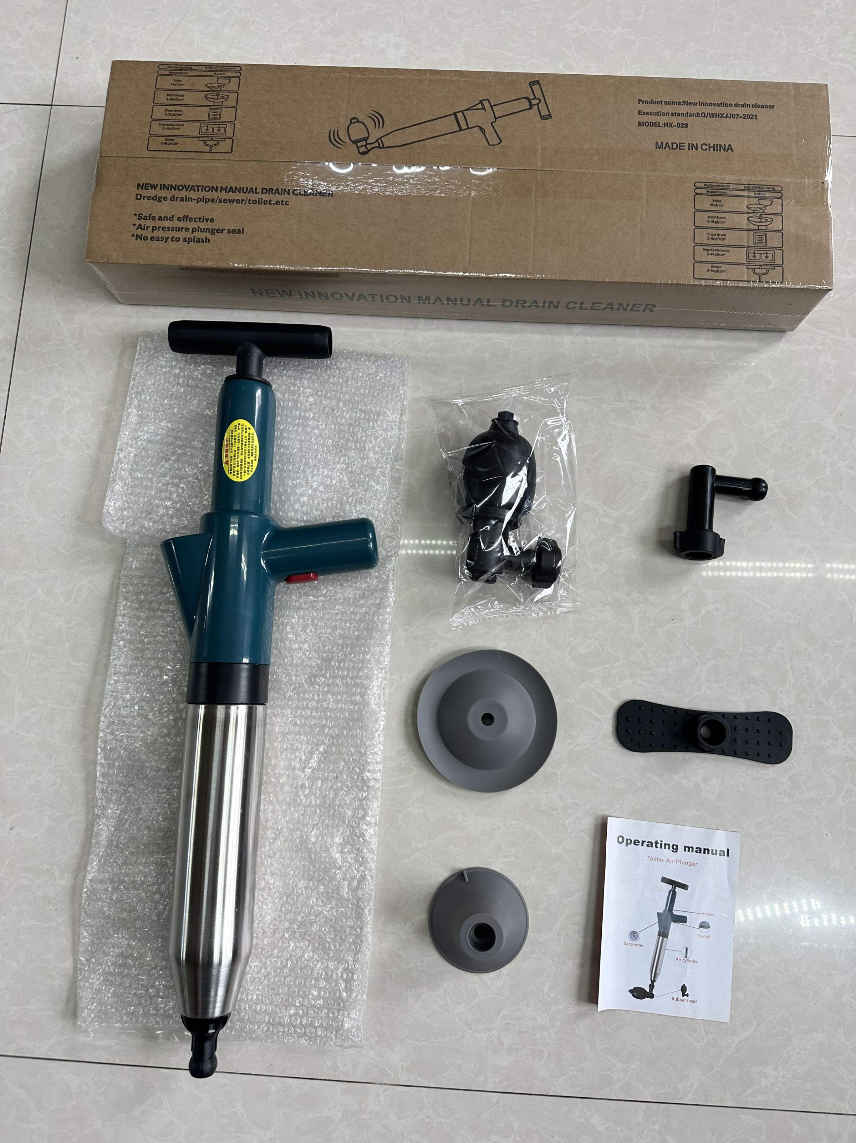 | 61*9*20cm Single package: 58*18*7.5 cm 0.91 kg Large box package: 12 pieces 59*32*55cm 12 kg 28th generation Single package: 58*18*7.5 cm 0.91 kg Large box package: 12 pieces 59*32*55cm 12 kg 10 pieces: 59*37*39cm 10 kg | 12or10 | 1KG
5 | SY-7022 LD001 Lithium Battery LD-001 (New lithium battery with tool box) removable large battery | 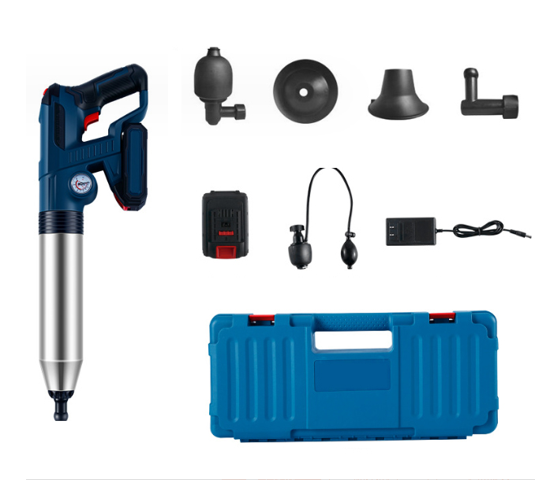 | Single outer box size 53*26.5*11CM Lithium battery 01 small package: 53*26.5*11 CM Weight: 3.2KG Large package: 6 packs 55×28.5×68 cm 5 packs 55×28.5×57cm 01 02 Lithium battery motor battery parameters: Battery capacity: 1850 mAh Motor maximum power: 87 watts Supply voltage: 10.8v Charger specification: 12.6v--1A | 6 | 3.2KG
6 | SY-7020-21 LD-002 (New lithium battery with tool box) removable large battery | 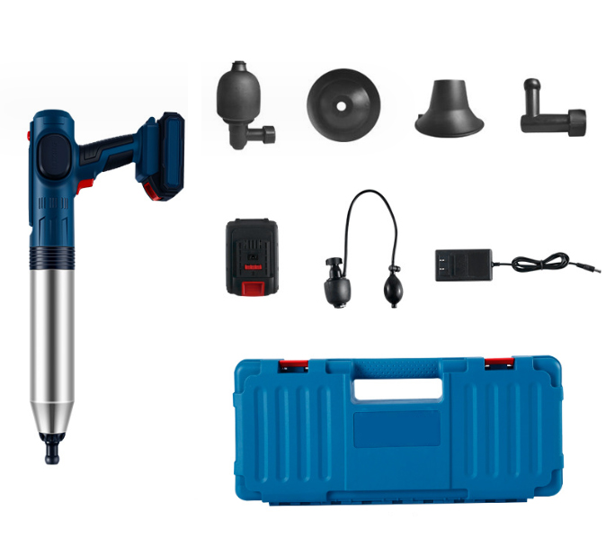 | 52.26.5*14cm | 5 | 3.3KG
7 | SY-7020-21 LD-003 (New lithium battery with tool box) built-in lithium battery | 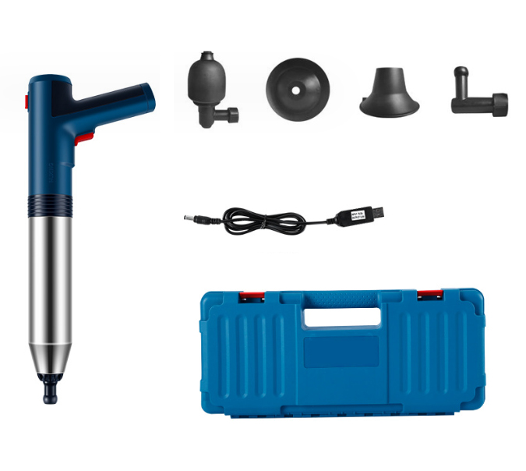 | 49*22*9 cm | 9 | 2.0KG
16 | SY-7020-21 HX-001 (electric type) | 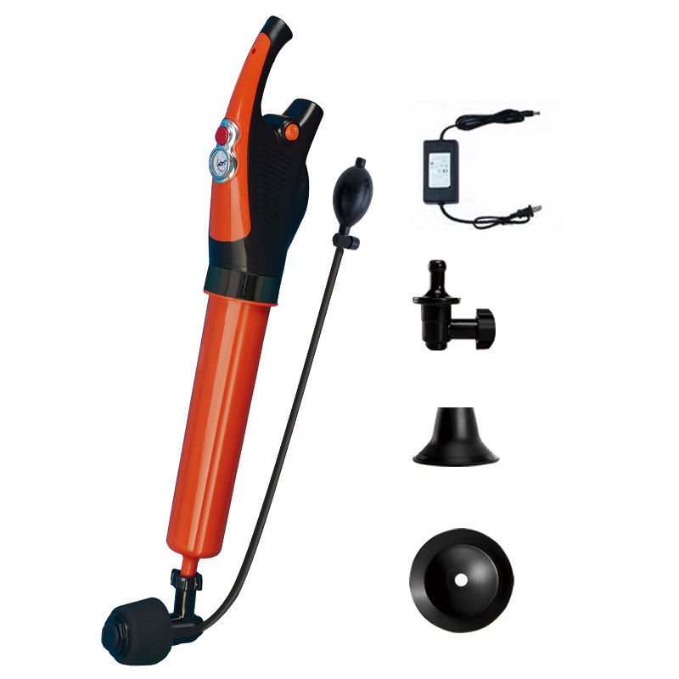 | 57*14*11cm | 12 | 1.25kg
17 | SY-7020-21 HX-001 (electric model with tool box) | 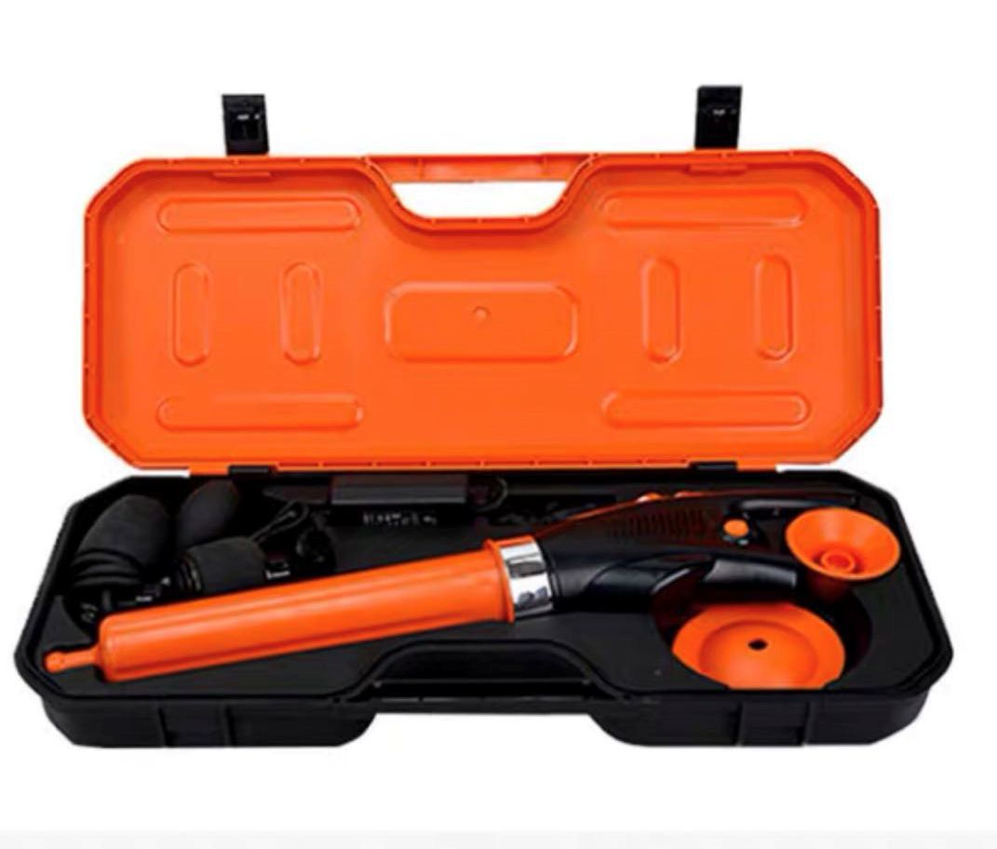 | 61.5*27*10cm | 7 | 2.8kg
10 | SY-7020 White Toilet Plunger | 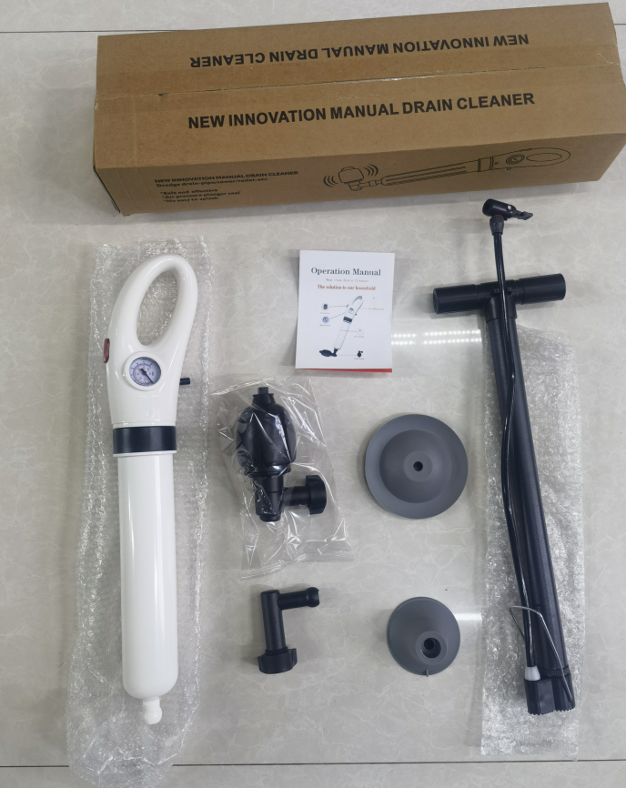 | 52*15*9.5cm | 16 | 1KG
17 | SY-7020-21 HX-001 (electric model with tool box) | 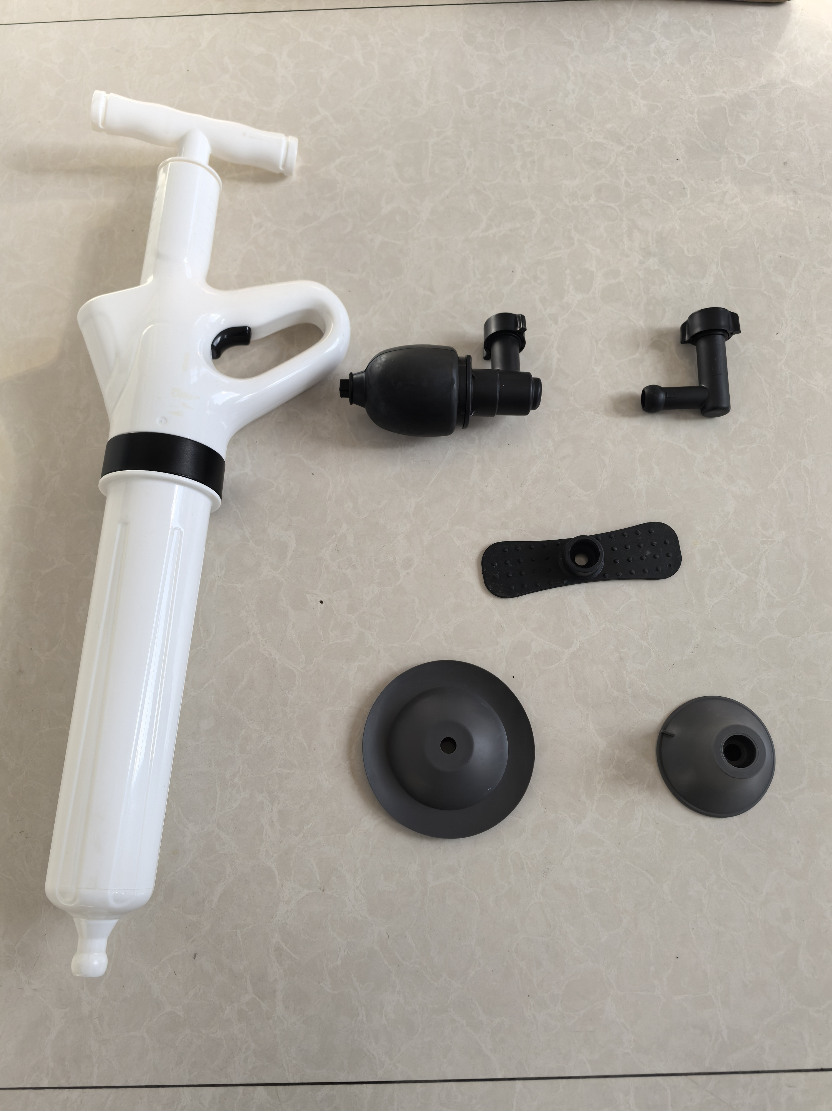 | Single size: 61*9*20cm 1 kg Large box size: 62*28*81cm Number of boxes: 12 Weight: 13 kg | 12 | 13kg
Note | Mark yellow color is hot selling

